TCGA-HSF1-Clinical feature
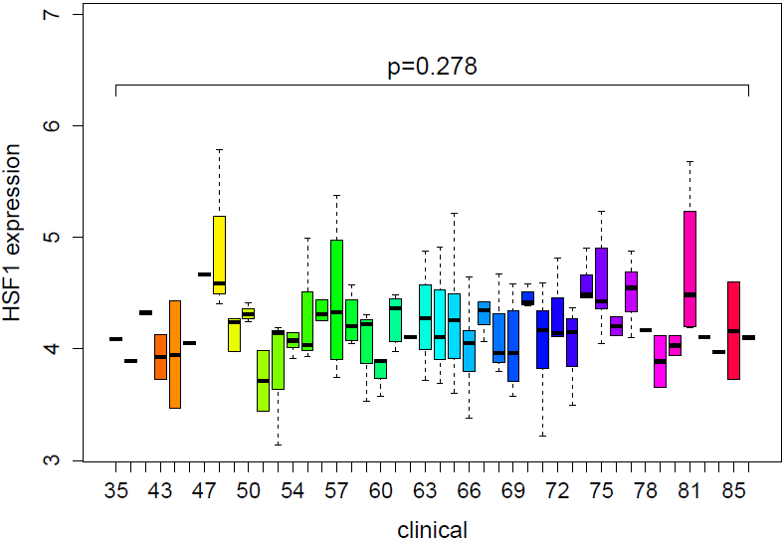
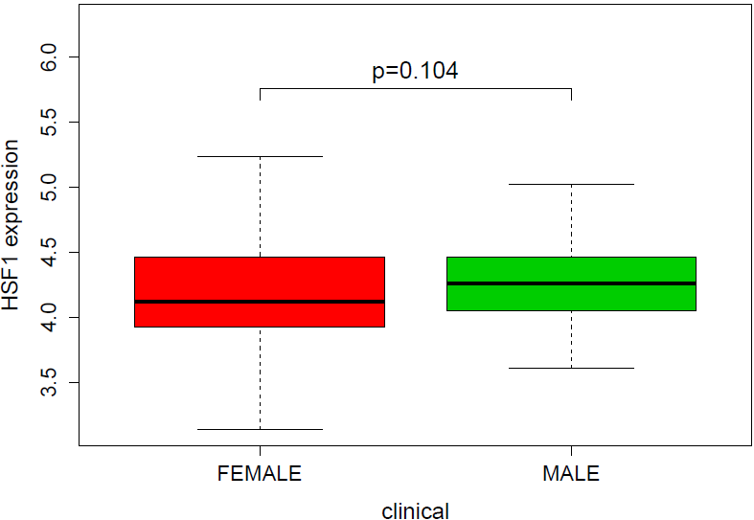
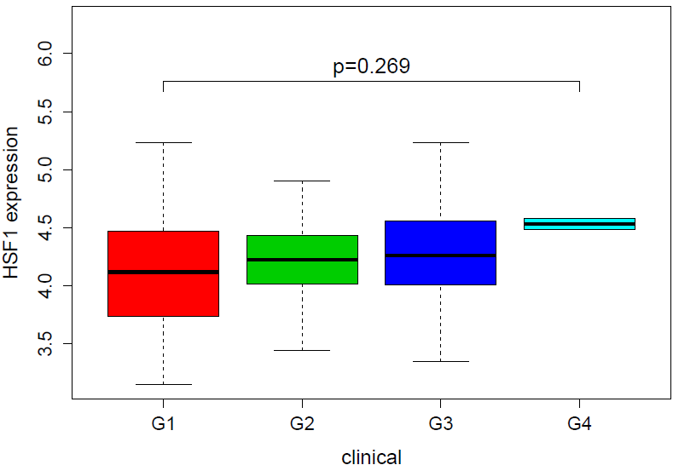
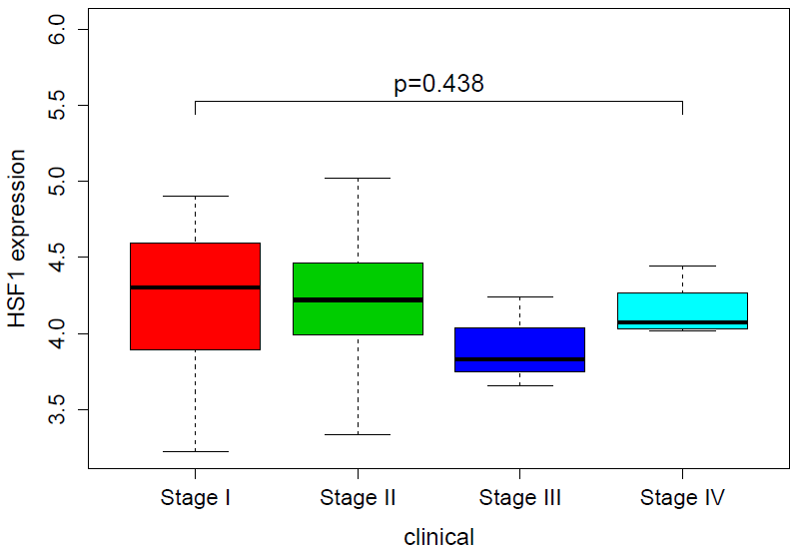
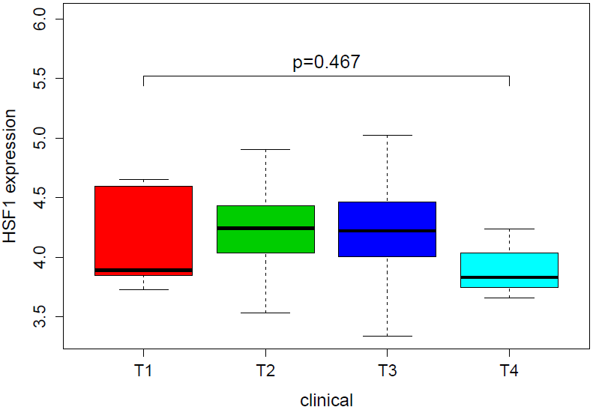
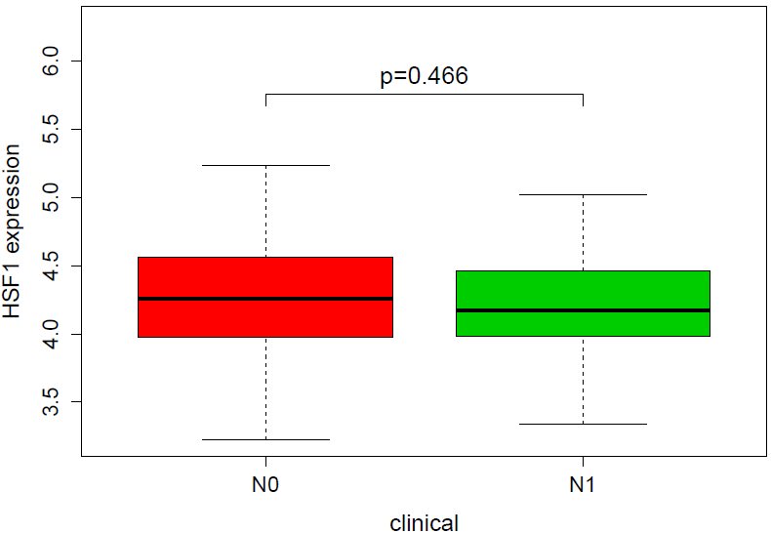
Age | Gender | Grade | Stage | （T）Tumor size | （N）Lymph node metastasis | （M）Distance metastasis
 |  |  |  |  |  | The data were incomplete and unanalyzed

