2.ComprFinder schematic diagram
Please cite: Jipan Zhang, Chengchen Deng, Jialu Li, Yongju Zhao. 2020. Transcriptome-based Selection and Validation of Optimal House-keeping Genes for Skin Research in Goats (Capra hircus)
ComprFinder is a new algorithm for comprehensive evaluation of candidate HKGs.

STEP 1, according to the original algorithm results ordered the values from small to large to find the minimum and the maximum. From this, the range was calculated.
STEP 2, the values from the original algorithm were standardized in the interval [0,1], where the minimum value=0 and the maximum value=1. All of the other data were assigned normalized values between 0 and 1.
STEP 3, arithmetic averages of the standardized values for each candidate HKG were calculated, and then these final scores were sorted to obtain their final rankings.
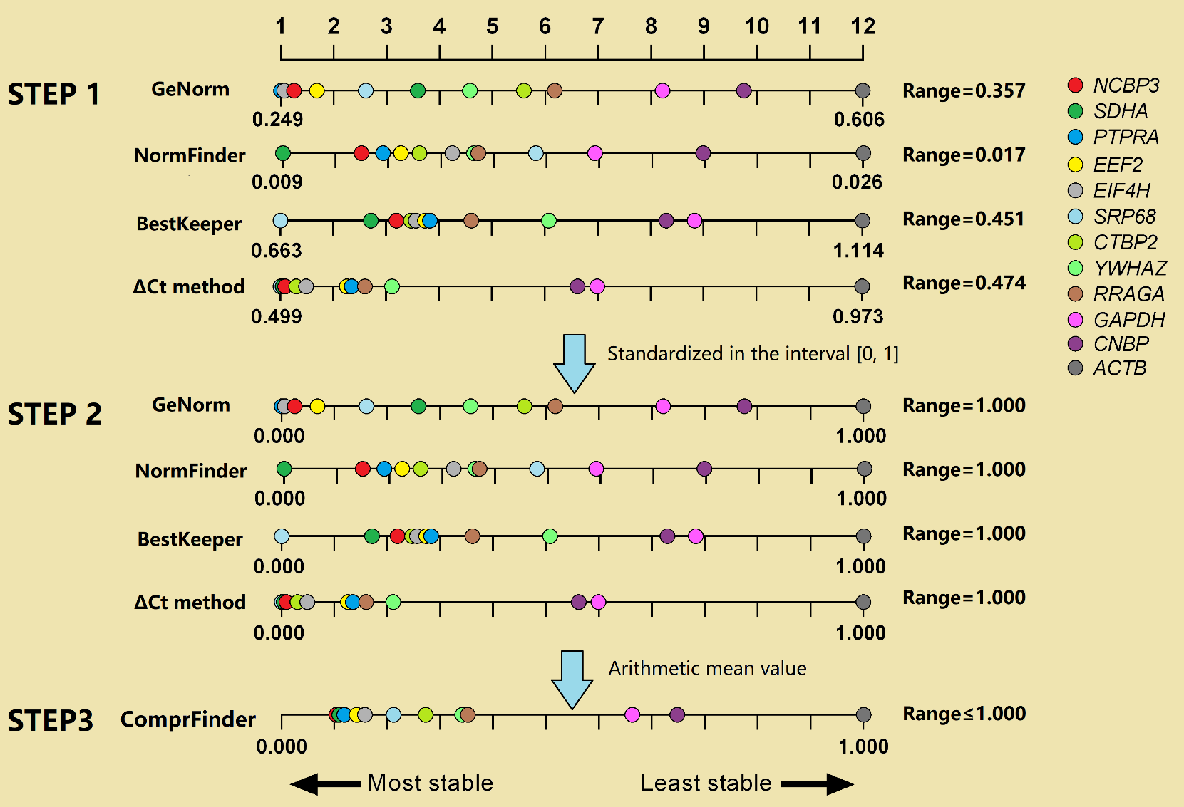

Schematic diagram of the ComprFinder algorithm
The same color presents the same gene. From step 1 to step 2, the uneven distribution of these 12 HKGs will not change, but they are proportionally enlarged or reduced to the range of 0-1. Calculated the arithmetic mean value for each gene to determine the final ranking order.

