Proposed angle
 |  |  | Proposed Failure Angle From Peak Uplift Load

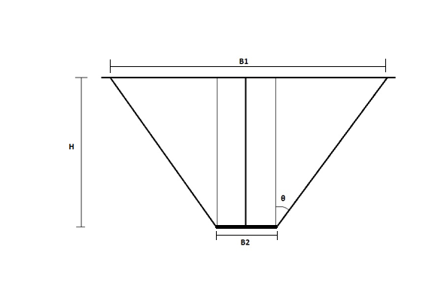
Equation For Theta
 | eq for theta
41.28 | 27.08
46.45 | 29.84

Φ, ° | Dry unit weight, γ (kN/m3) | Embedment Depth,H (m) | Plate Size, D | θ(°) | B1 | B2 | Volume (m3) | Dead Weight (kN) | θavg
41.28 | 17.73 | 0.3 | 0.15 | 28.21 | 0.472 | 0.15 | 0.032 | 0.56 | 27.08
 |  | 0.45 |  | 23.64 | 0.544 |  | 0.060 | 1.05
 |  | 0.6 |  | 29.40 | 0.826 |  | 0.166 | 2.94
46.45 | 18.15 | 0.3 |  | 31.56 | 0.519 |  | 0.037 | 0.67 | 29.84
 |  | 0.45 |  | 27.16 | 0.612 |  | 0.073 | 1.33
 |  | 0.6 |  | 30.79 | 0.865 |  | 0.180 | 3.27
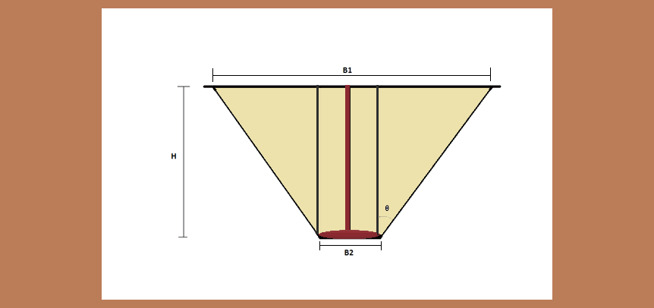
41.28 | 17.73 | 0.3 | 0.3 | 23.00 | 0.555 | 0.3 | 0.056 | 1.00 | 23.79
Equation for theta
 | eq for theta
41.28 | 23.79
46.45 | 26.64
 |  | 0.45 |  | 22.00 | 0.664 |  | 0.109 | 1.94
 |  | 0.6 |  | 26.37 | 0.895 |  | 0.232 | 4.11
46.45 | 18.15 | 0.3 |  | 27.30 | 0.610 |  | 0.064 | 1.17 | 26.64
 |  | 0.45 |  | 24.07 | 0.702 |  | 0.119 | 2.16
 |  | 0.6 |  | 28.55 | 0.953 |  | 0.257 | 4.66

EQUATIONS
FOR 15 m PLATE |  | θ = 0.55 Φ + 4.43

FOR 30 m PLATE |  | θ = 0.55 Φ + 1.03
 |  |  |  |  |  | 0.027983627127

