Images
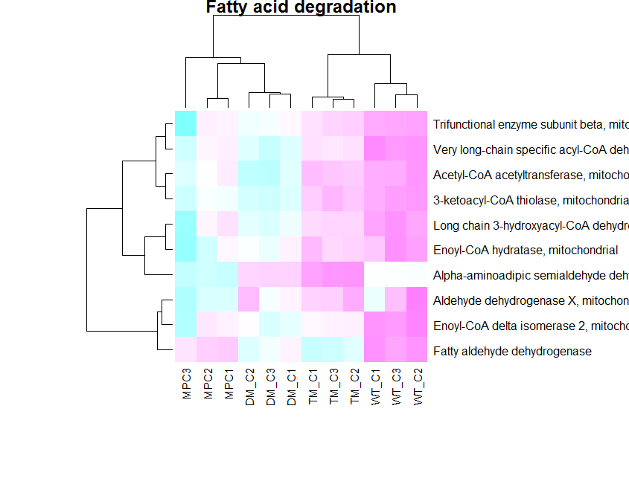
Strict significant set, 243 proteins, (protein and peptide cutoffs, min 2 or more peptides, Log transformed |  |  | Strict significant set, 243 proteins (protein and peptide cutoffs, min 2 or more peptides,Not Log transformed

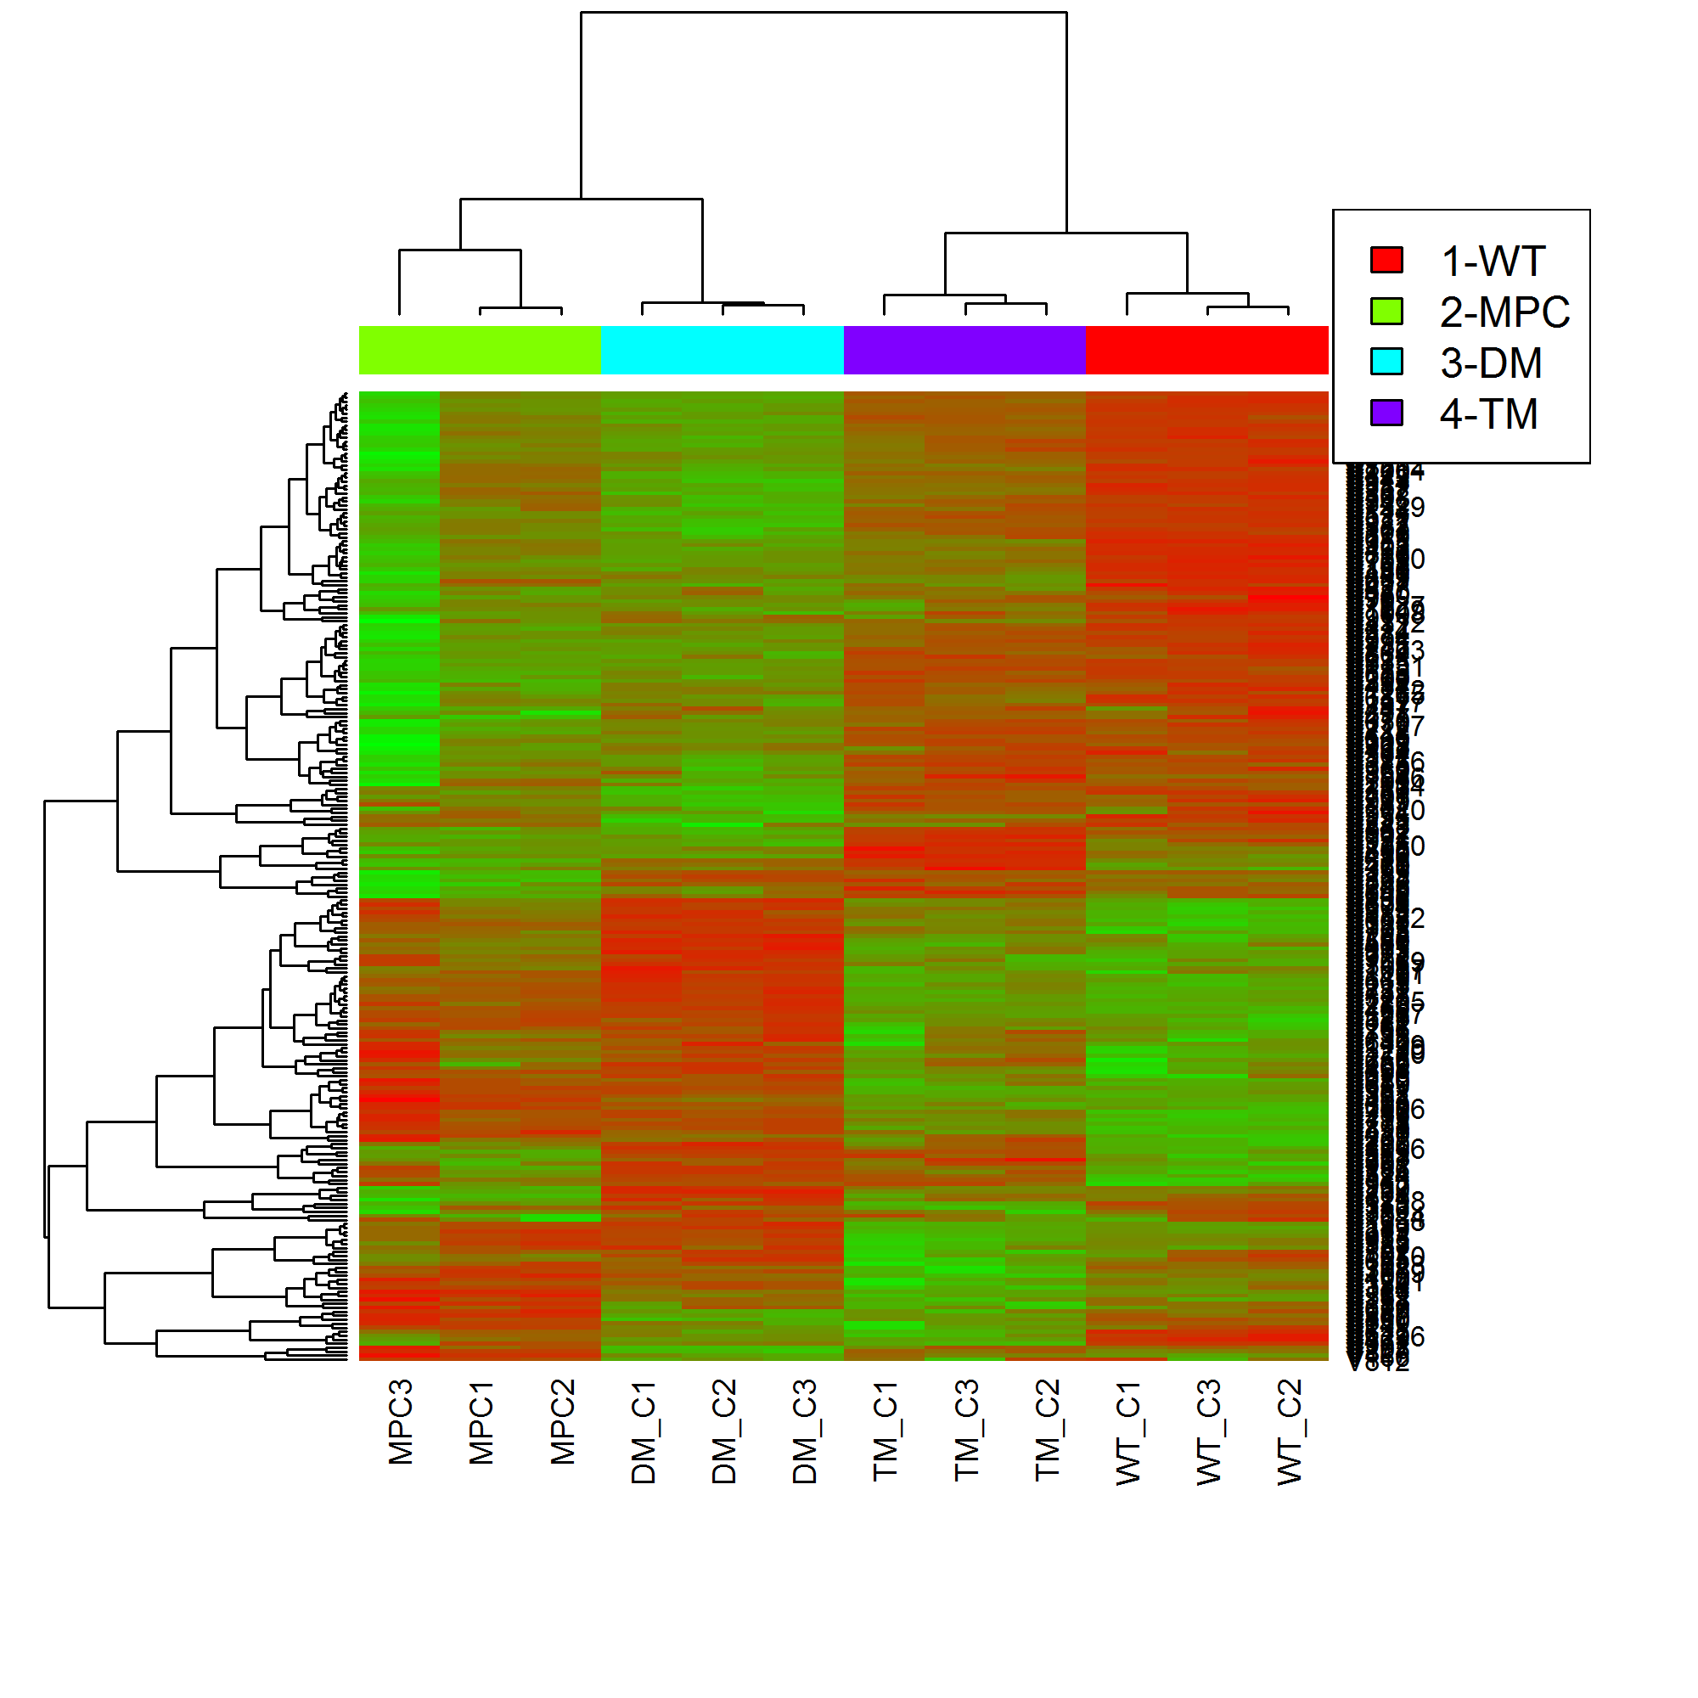
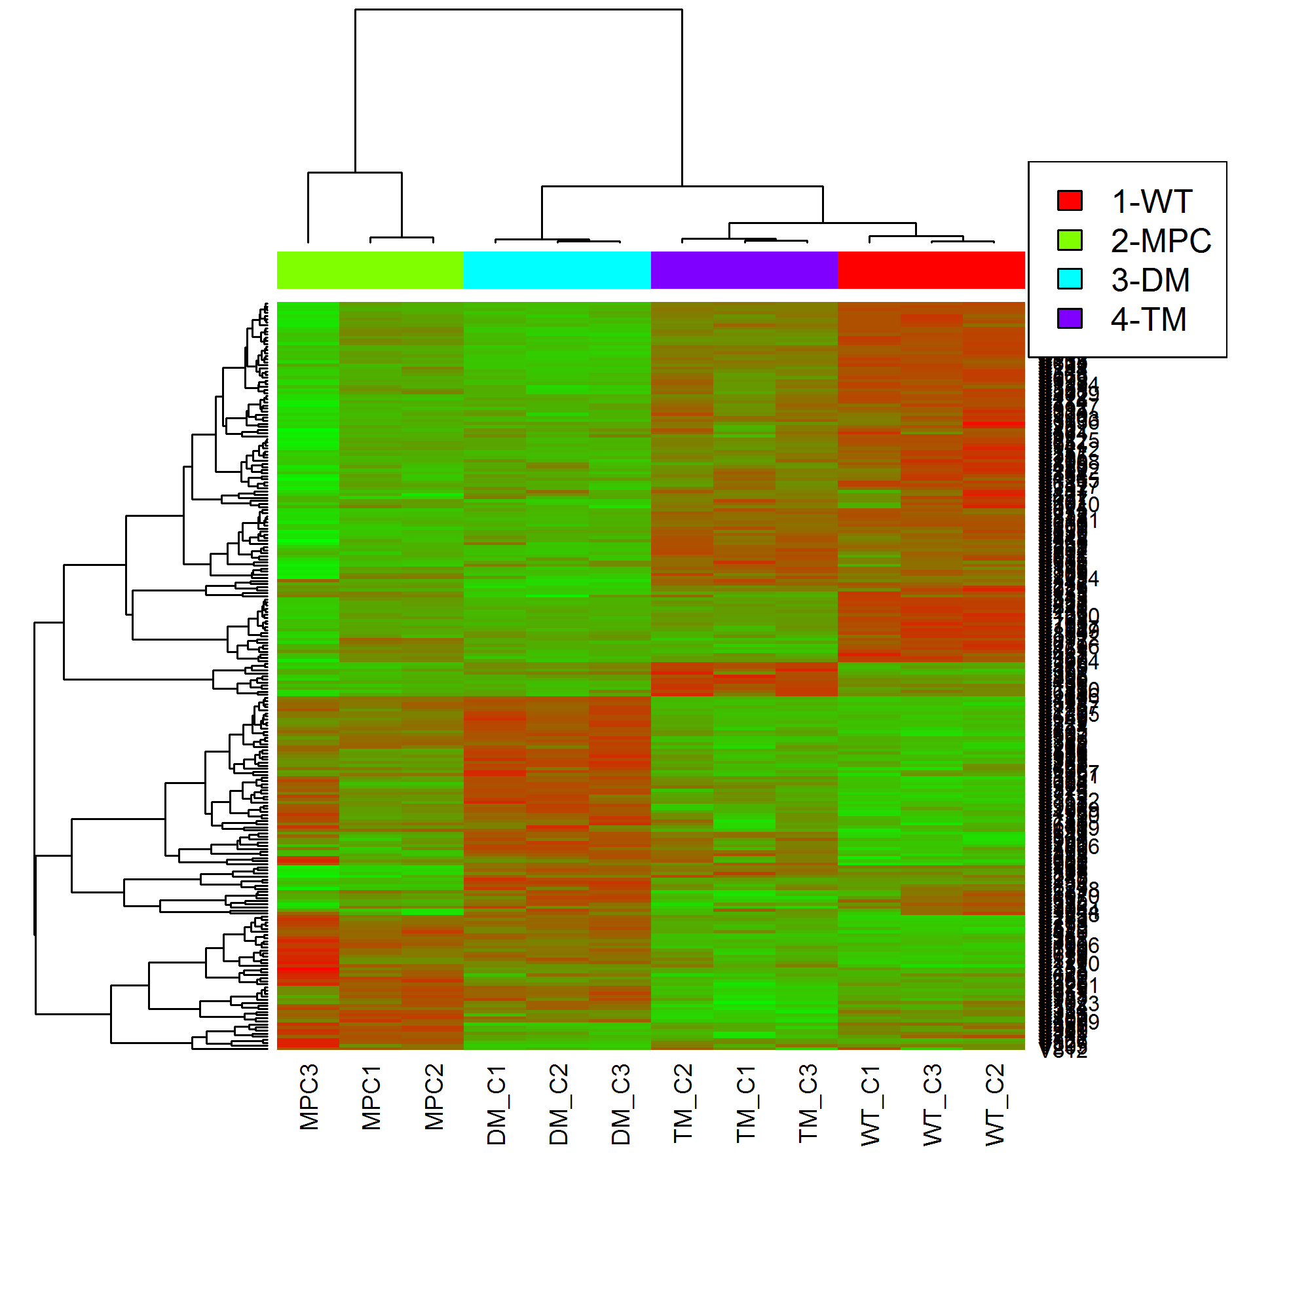

 | Top enriched pathways for these 243 proteins

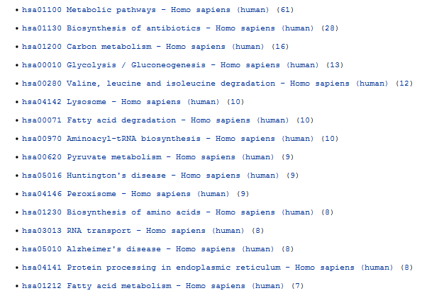

 |  | Glycolysis -missing 4

Peroxisome - found all 9
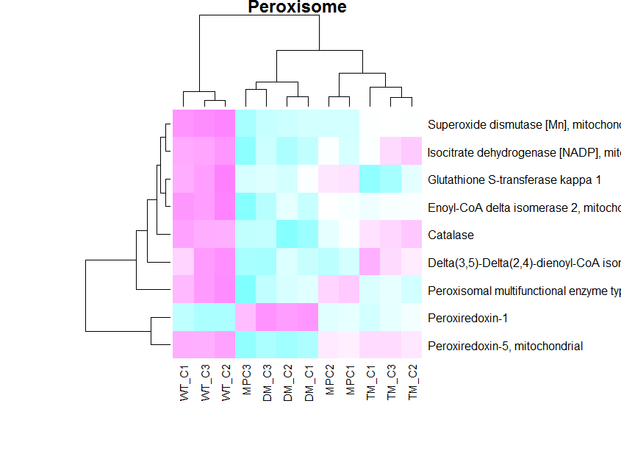
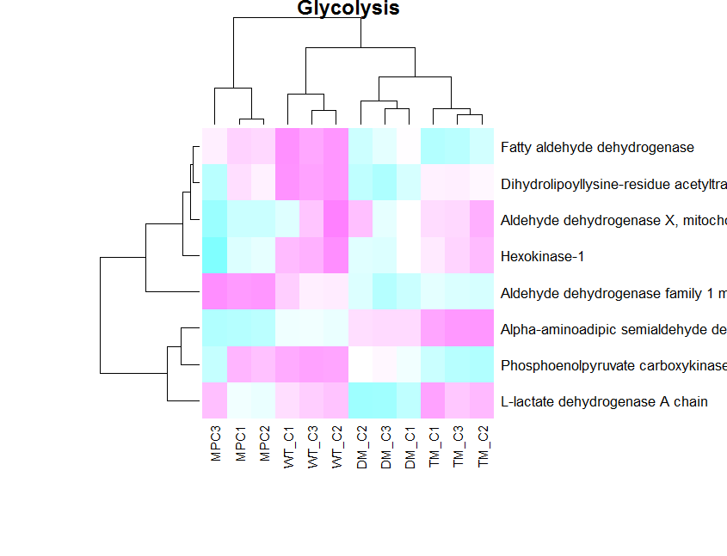

Fatty acid degradation - found all 10

HeatmapData
Uniprot | Protein | protein_name | Pathway.Info | DM_C1 | DM_C2 | DM_C3 | MPC1 | MPC2 | MPC3 | TM_C1 | TM_C2 | TM_C3 | WT_C1 | WT_C2 | WT_C3 | Mean.WT | X2.MPC | X3.DM | X4.TM | MaxFC | Anova | Anova.adj | Anova.idx | Number.Peptides | Order | Cellular.Component | Biological.Process | Molecular.Function | Pathways | PathFirst
P25705 | sp|P25705|ATPA_HUMAN | ATP synthase subunit alpha, mitochondrial | NA | 71260114.386 | 70147681.485 | 69003353.798 | 81244236.457 | 75514533.665 | 55760433.261 | 95455715.043 | 91744149.655 | 92965207.697 | 107170347.65 | 112346442.23 | 106795122.35 | 108741451.81 | 69938516.378 | 70130996.837 | 93375638.875 | 1.5548149638 | 0.001525988969 | 0.0075730049583 | TRUE | 36 | 90 | C:mitochondrial inner membrane;C:extracellular vesicular exosome;C:mitochondrial proton-transporting ATP synthase complex;C:membrane;C:proton-transporting ATP synthase complex, catalytic core F(1);C:mitochondrion;C:plasma membrane;C:mitochondrial matrix | P:negative regulation of endothelial cell proliferation;P:respiratory electron transport chain;P:embryo development;P:small molecule metabolic process;P:ATP hydrolysis coupled proton transport;P:mitochondrial ATP synthesis coupled proton transport;P:lipid metabolic process;P:cellular metabolic process;P:ATP biosynthetic process | F:ATP binding;F:proton-transporting ATP synthase activity, rotational mechanism;F:poly(A) RNA binding;F:MHC class I protein binding;F:proton-transporting ATPase activity, rotational mechanism;F:transmembrane transporter activity | Alzheimer's disease | Alzheimer's disease
P13804 | sp|P13804|ETFA_HUMAN | Electron transfer flavoprotein subunit alpha, mitochondrial | NA | 5316744.6112 | 5211963.6823 | 5681112.4069 | 6113983.6852 | 5802255.3411 | 4386623.4685 | 7398700.9536 | 7583921.3662 | 7482483.2335 | 9183951.7439 | 9291172.3319 | 9457145.2516 | 9310079.4958 | 5378780.5208 | 5399582.5802 | 7487985.865 | 1.7308903867 | 0.00020004478698 | 0.0017178047558 | TRUE | 9 | 67 | C:mitochondrion;C:extracellular vesicular exosome;C:mitochondrial matrix | P:cellular metabolic process;P:respiratory electron transport chain;P:small molecule metabolic process | F:electron carrier activity;F:flavin adenine dinucleotide binding;F:oxidoreductase activity | NA | NA
P38117 | sp|P38117|ETFB_HUMAN | Electron transfer flavoprotein subunit beta | NA | 3663837.0627 | 3389086.3988 | 3629452.7945 | 3818523.032 | 3723646.4037 | 2640132.8485 | 5081336.6169 | 5364005.7088 | 5174788.0506 | 6580238.9948 | 6476613.8489 | 6478136.5596 | 6511483.1861 | 3348342.5075 | 3558661.2399 | 5205389.7753 | 1.9446885053 | 0.00016370578961 | 0.0015015772426 | TRUE | 4 | 113 | C:mitochondrion;C:intracellular membrane-bounded organelle;C:mitochondrial matrix;C:extracellular vesicular exosome | P:cellular metabolic process;P:respiratory electron transport chain;P:small molecule metabolic process | F:electron carrier activity | NA | NA
O95831 | sp|O95831|AIFM1_HUMAN | Apoptosis-inducing factor 1, mitochondrial | NA | 1777725.3238 | 1940167.4798 | 2104024.26 | 2181309.4022 | 2036467.6998 | 1463689.533 | 2587341.3548 | 2541318.0983 | 2581317.5289 | 2920490.1309 | 2950560.1695 | 2997697.3361 | 2956078.7544 | 1866442.3847 | 1936057.3045 | 2569910.8819 | 1.5838039141 | 0.0030642183632 | 0.011916404746 | TRUE | 4 | 16 | C:mitochondrion;C:cytosol;C:mitochondrial inner membrane;C:mitochondrial intermembrane space;C:perinuclear region of cytoplasm;C:nucleus | P:apoptotic process;P:neuron apoptotic process;P:apoptotic DNA fragmentation;P:intrinsic apoptotic signaling pathway in response to endoplasmic reticulum stress;P:DNA catabolic process;P:chromosome condensation;P:mitochondrial respiratory chain complex I assembly;P:neuron differentiation;P:activation of cysteine-type endopeptidase activity involved in apoptotic process;P:positive regulation of apoptotic process;P:regulation of apoptotic DNA fragmentation;P:cell redox homeostasis | F:electron carrier activity;F:oxidoreductase activity, acting on NAD(P)H;F:DNA binding;F:NAD(P)H oxidase activity;F:FAD binding | NA | NA
P40926 | sp|P40926|MDHM_HUMAN | Malate dehydrogenase, mitochondrial | NA | 50299337.073 | 45677801.589 | 52450070.39 | 56808734.71 | 56157020.927 | 41769567.558 | 59655603.666 | 64999329.036 | 66628004.307 | 76524779.944 | 71824608.68 | 82832692.066 | 76929405.81 | 51077118.117 | 49393656.455 | 63690155.297 | 1.5574754196 | 0.0026824200358 | 0.011011168666 | TRUE | 25 | 119 | C:mitochondrion;C:mitochondrial matrix;C:extracellular vesicular exosome;C:plasma membrane;C:nucleus;C:mitochondrial inner membrane;C:nucleoplasm | P:small molecule metabolic process;P:internal protein amino acid acetylation;P:glucose metabolic process;P:tricarboxylic acid cycle;P:cellular carbohydrate metabolic process;P:malate metabolic process;P:cellular metabolic process;P:NADH metabolic process;P:gluconeogenesis;P:carbohydrate metabolic process;P:oxaloacetate metabolic process;P:pathogenesis | F:L-malate dehydrogenase activity;F:poly(A) RNA binding;F:malate dehydrogenase (NADP+) activity | Pyruvate metabolism | Pyruvate metabolism
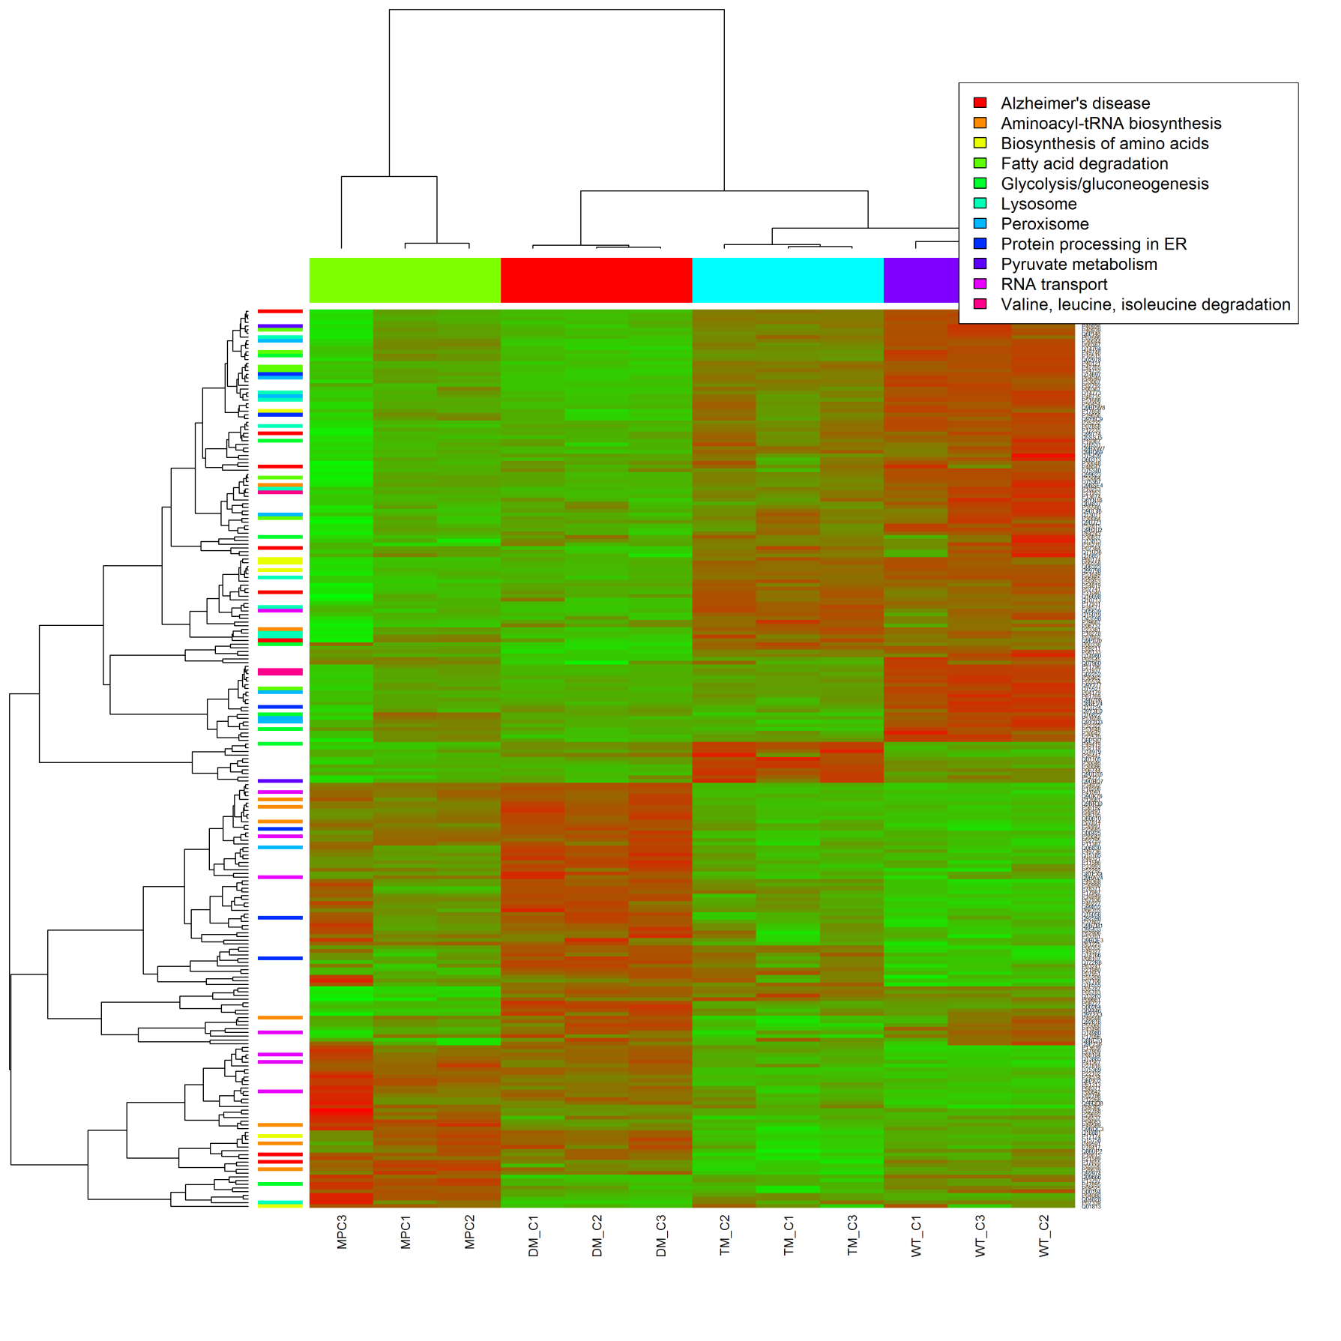
P40939 | sp|P40939|ECHA_HUMAN | Long chain 3-hydroxyacyl-CoA dehydrogenase | NA | 18997007.416 | 18045666.852 | 16941538.849 | 24383261.417 | 22145796.695 | 11989334.901 | 25339952.815 | 26316172.406 | 26252131.777 | 34239111.493 | 33529399.665 | 37614592.242 | 35083389.144 | 18637717.802 | 17975059.139 | 25965560.398 | 1.9517815699 | 0.0099534441703 | 0.027102287685 | TRUE | 30 | 120 | C:mitochondrial inner membrane;C:mitochondrial nucleoid;C:mitochondrial fatty acid beta-oxidation multienzyme complex;C:mitochondrion | P:cellular lipid metabolic process;P:glycerophospholipid biosynthetic process;P:cardiolipin acyl-chain remodeling;P:phospholipid metabolic process;P:small molecule metabolic process;P:fatty acid beta-oxidation;P:response to drug;P:response to insulin | F:long-chain-3-hydroxyacyl-CoA dehydrogenase activity;F:3-hydroxyacyl-CoA dehydrogenase activity;F:long-chain-enoyl-CoA hydratase activity;F:acetyl-CoA C-acetyltransferase activity;F:NAD binding;F:fatty-acyl-CoA binding;F:enoyl-CoA hydratase activity | Fatty acid degradation;Valine, leucine, isoleucine degradation | Fatty acid degradation
Q6PI48 | sp|Q6PI48|SYDM_HUMAN | Aspartate--tRNA ligase, mitochondrial | NA | 2002896.389 | 1773347.1367 | 1909678.6414 | 2299158.5254 | 2228009.2551 | 1156413.5735 | 2759492.6854 | 2600042.5637 | 2773974.3723 | 3614737.503 | 3703124.8091 | 3976333.6071 | 3761629.14 | 1809393.5142 | 1892942.8869 | 2710008.8955 | 2.0789447461 | 0.0062515986834 | 0.019426696843 | TRUE | 5 | 204 | C:nucleoplasm;C:mitochondrial matrix;C:mitochondrion;C:nucleus | P:tRNA aminoacylation;P:tRNA aminoacylation for protein translation;P:gene expression;P:mitochondrial asparaginyl-tRNA aminoacylation | F:ATP binding;F:tRNA binding;F:protein homodimerization activity;F:aspartate-tRNA ligase activity;F:aspartate-tRNA(Asn) ligase activity | NA | NA
P07686 | sp|P07686|HEXB_HUMAN | Beta-hexosaminidase subunit beta | NA | 2633653.3633 | 2717785.7719 | 2488824.5341 | 3224326.1365 | 3182912.3421 | 1826025.2364 | 4214316.1622 | 3559292.6906 | 3906046.4341 | 4587901.2379 | 4061233.7401 | 4753740.7953 | 4457614.5724 | 2656175.7399 | 2611696.4843 | 3883971.8422 | 1.7067889011 | 0.011568818175 | 0.030553076556 | TRUE | 5 | 44 | C:extracellular vesicular exosome;C:acrosomal vesicle;C:lysosomal lumen;C:membrane | P:cellular protein metabolic process;P:cellular calcium ion homeostasis;P:ganglioside catabolic process;P:skeletal system development;P:locomotory behavior;P:small molecule metabolic process;P:carbohydrate metabolic process;P:oogenesis;P:penetration of zona pellucida;P:glycosphingolipid metabolic process;P:sphingolipid metabolic process;P:phospholipid biosynthetic process;P:glycosaminoglycan metabolic process;P:oligosaccharide catabolic process;P:myelination;P:neuromuscular process controlling balance;P:male courtship behavior;P:sensory perception of sound;P:pathogenesis;P:keratan sulfate metabolic process;P:hyaluronan metabolic process;P:lipid storage;P:hyaluronan catabolic process;P:keratan sulfate catabolic process;P:regulation of cell shape;P:lysosome organization;P:chondroitin sulfate catabolic process;P:chondroitin sulfate metabolic process;P:positive regulation of transcription from RNA polymerase II promoter;P:astrocyte cell migration | F:protein heterodimerization activity;F:protein homodimerization activity;F:beta-N-acetylhexosaminidase activity | Lysosome | Lysosome
P30044 | sp|P30044|PRDX5_HUMAN | Peroxiredoxin-5, mitochondrial | NA | 16425357.3 | 15410627.501 | 16236278.126 | 26953348.298 | 27307994.881 | 14253028.066 | 29438818.29 | 27645278.437 | 29387686.591 | 37493946.004 | 39179628.527 | 36879669.171 | 37838695.892 | 21891216.302 | 16017960.2 | 28811701.962 | 2.3622668193 | 0.0028335305935 | 0.011317104172 | TRUE | 10 | 96 | C:extracellular vesicular exosome;C:peroxisome;C:cytosol;C:extracellular space;C:cytoplasmic vesicle;C:intracellular membrane-bounded organelle;C:nucleus;C:peroxisomal matrix;C:mitochondrial matrix;C:cytoplasm;C:mitochondrion;C:perinuclear region of cytoplasm | P:regulation of apoptosis involved in tissue homeostasis;P:negative regulation of transcription from RNA polymerase III promoter;P:positive regulation of collagen biosynthetic process;P:hydrogen peroxide catabolic process;P:negative regulation of oxidoreductase activity;P:NADPH oxidation;P:response to oxidative stress;P:negative regulation of cysteine-type endopeptidase activity involved in apoptotic process;P:reactive nitrogen species metabolic process;P:negative regulation of apoptotic process;P:cellular response to reactive oxygen species;P:inflammatory response;P:response to reactive oxygen species | F:protein dimerization activity;F:peroxidase activity;F:peroxynitrite reductase activity;F:antioxidant activity;F:cysteine-type endopeptidase inhibitor activity involved in apoptotic process;F:RNA polymerase III regulatory region DNA binding;F:receptor binding;F:peroxiredoxin activity | Peroxisome | Peroxisome
P00387 | sp|P00387|NB5R3_HUMAN | NADH-cytochrome b5 reductase 3 | NA | 2069353.0666 | 1930293.6724 | 2065330.065 | 3030869.0344 | 3082910.6756 | 1934335.663 | 2843621.7786 | 3263188.3192 | 3045038.2773 | 3995455.1846 | 4097115.9209 | 3811249.371 | 3966163.6241 | 2624339.2976 | 2020609.9305 | 3045806.0283 | 1.9628546629 | 0.002292718803 | 0.0099170325488 | TRUE | 3 | 20 | C:mitochondrion;C:extracellular vesicular exosome;C:cytoplasm;C:endoplasmic reticulum;C:mitochondrial outer membrane;C:hemoglobin complex;C:endoplasmic reticulum membrane;C:lipid particle;C:membrane;C:mitochondrial inner membrane | P:vitamin metabolic process;P:small molecule metabolic process;P:blood circulation;P:L-ascorbic acid metabolic process;P:cholesterol biosynthetic process;P:water-soluble vitamin metabolic process | F:FAD binding;F:NAD binding;F:AMP binding;F:flavin adenine dinucleotide binding;F:cytochrome-b5 reductase activity, acting on NAD(P)H;F:ADP binding | NA | NA
Q14764 | sp|Q14764|MVP_HUMAN | Major vault protein | NA | 4909403.2329 | 3949736.1176 | 3861141.2964 | 6898756.1135 | 6566775.0431 | 4611010.111 | 6848875.1964 | 7247072.64 | 6767759.0504 | 8843282.4984 | 9783041.4946 | 9421166.4683 | 9341085.7171 | 5933436.9956 | 4214740.3673 | 6951452.9082 | 2.2162897126 | 0.00054688413623 | 0.0035480775668 | TRUE | 13 | 190 | C:cytoskeleton;C:cytoplasm;C:ribonucleoprotein complex;C:nuclear pore;C:extracellular vesicular exosome;C:nucleus;C:membrane;C:perinuclear region of cytoplasm | P:ERBB signaling pathway;P:protein transport;P:negative regulation of protein autophosphorylation;P:mRNA transport;P:protein activation cascade;P:negative regulation of signaling;P:negative regulation of protein tyrosine kinase activity;P:cell proliferation | F:protein phosphatase binding;F:protein kinase binding | NA | NA
P49748 | sp|P49748|ACADV_HUMAN | Very long-chain specific acyl-CoA dehydrogenase, mitochondrial | NA | 5649356.6314 | 5601129.6352 | 4805240.5431 | 7655171.5913 | 7366563.6786 | 5089978.0833 | 8367707.5254 | 8393032.5767 | 7960344.9917 | 14258001.829 | 13493306.977 | 13074439.133 | 13599826.822 | 6596475.137 | 5337402.0268 | 8237948.9608 | 2.5480236927 | 9.13E-05 | 0.0010559756521 | TRUE | 12 | 136 | C:mitochondrial nucleoid;C:mitochondrial inner membrane;C:mitochondrial matrix;C:cytoplasm;C:mitochondrion;C:nucleolus;C:nucleus | P:small molecule metabolic process;P:regulation of cholesterol metabolic process;P:cellular lipid metabolic process;P:energy derivation by oxidation of organic compounds;P:negative regulation of fatty acid biosynthetic process;P:epithelial cell differentiation;P:fatty acid beta-oxidation;P:activation of signaling protein activity involved in unfolded protein response;P:fatty acid beta-oxidation using acyl-CoA dehydrogenase;P:endoplasmic reticulum unfolded protein response;P:cellular protein metabolic process;P:negative regulation of fatty acid oxidation;P:temperature homeostasis | F:long-chain-acyl-CoA dehydrogenase activity;F:flavin adenine dinucleotide binding;F:acyl-CoA dehydrogenase activity | Fatty acid degradation | Fatty acid degradation
P10515 | sp|P10515|ODP2_HUMAN | Dihydrolipoyllysine-residue acetyltransferase component of pyruvate dehydrogenase complex, mitochondrial | NA | 1582320.2001 | 1454935.0221 | 1358474.8504 | 2073871.3282 | 1936309.3333 | 1418750.0101 | 1947608.4911 | 1898630.8275 | 1961279.6224 | 2754878.816 | 2704162.2615 | 2588736.2748 | 2681684.5227 | 1786024.7572 | 1462389.9407 | 1935651.7944 | 1.8337684417 | 0.00098587360684 | 0.0054678913546 | TRUE | 3 | 58 | C:mitochondrial matrix;C:mitochondrial pyruvate dehydrogenase complex;C:mitochondrion | P:pyruvate metabolic process;P:tricarboxylic acid cycle;P:cellular metabolic process;P:small molecule metabolic process;P:regulation of acetyl-CoA biosynthetic process from pyruvate;P:glucose metabolic process | F:dihydrolipoyllysine-residue acetyltransferase activity | Glycolysis/gluconeogenesis;Pyruvate metabolism | Glycolysis/gluconeogenesis
Q02978 | sp|Q02978|M2OM_HUMAN | Mitochondrial 2-oxoglutarate/malate carrier protein | NA | 1328455.27 | 1191144.4878 | 1211408.6201 | 1696135.437 | 1629666.0767 | 951142.12494 | 1689169.9586 | 1686446.2067 | 1532368.5217 | 2358349.7146 | 2434509.7841 | 2217574.0927 | 2335066.6967 | 1380177.2248 | 1242226.1872 | 1634317.2123 | 1.8797435771 | 0.0082803082327 | 0.023683462257 | TRUE | 4 | 173 | C:integral component of plasma membrane;C:mitochondrial inner membrane;C:nucleus;C:mitochondrion | P:glucose metabolic process;P:pathogenesis;P:transport;P:gluconeogenesis;P:small molecule metabolic process;P:carbohydrate metabolic process;P:alpha-ketoglutarate transport | F:oxoglutarate:malate antiporter activity;F:poly(A) RNA binding | NA | NA
P40121 | sp|P40121|CAPG_HUMAN | Macrophage-capping protein | NA | 7328645.8915 | 8765399.2054 | 7125215.4909 | 9820946.1269 | 10251920.109 | 8782229.753 | 14316060.459 | 14812146.945 | 14810592.273 | 16979823.895 | 18970218.673 | 17700959.58 | 17864907.685 | 9598155.4367 | 7706629.4977 | 14644391.16 | 2.3181220391 | 2.81E-06 | 0.00015407799061 | TRUE | 13 | 117 | C:melanosome;C:nucleus;C:F-actin capping protein complex;C:extracellular vesicular exosome | P:cell projection assembly;P:protein complex assembly;P:barbed-end actin filament capping | NA | NA | NA
P42765 | sp|P42765|THIM_HUMAN | 3-ketoacyl-CoA thiolase, mitochondrial | NA | 3607717.1841 | 3440775.7739 | 3274184.5162 | 4235711.9954 | 4384011.7243 | 3238976.4847 | 6413932.3861 | 6635299.9281 | 7490593.791 | 7920584.9618 | 9151143.731 | 8761280.3489 | 8595412.7636 | 3918037.9802 | 3438196.3033 | 6831253.3785 | 2.4999773152 | 1.11E-05 | 0.00033088757261 | TRUE | 7 | 123 | C:mitochondrial inner membrane;C:mitochondrion;C:extracellular vesicular exosome | P:negative regulation of mitochondrial membrane permeability involved in apoptotic process;P:cellular response to hypoxia;P:cholesterol biosynthetic process;P:negative regulation of mitochondrial outer membrane permeabilization involved in apoptotic signaling pathway;P:fatty acid metabolic process | F:poly(A) RNA binding;F:acetyl-CoA C-acyltransferase activity | Fatty acid degradation;Valine, leucine, isoleucine degradation | Fatty acid degradation
P24752 | sp|P24752|THIL_HUMAN | Acetyl-CoA acetyltransferase, mitochondrial | NA | 4264831.2348 | 3342125.35 | 3255529.0749 | 6063412.0102 | 5305397.4469 | 4175998.4024 | 8563237.69 | 7714673.5986 | 8086402.3703 | 9722824.0518 | 11362951.68 | 9825598.6965 | 10277343.44 | 5121514.9233 | 3593481.2877 | 8114036.697 | 2.8599963703 | 4.10E-05 | 0.00068411165595 | TRUE | 11 | 88 | C:extracellular vesicular exosome;C:mitochondrion;C:mitochondrial inner membrane;C:mitochondrial matrix | P:adipose tissue development;P:branched-chain amino acid catabolic process;P:cellular lipid metabolic process;P:response to starvation;P:cellular nitrogen compound metabolic process;P:ketone body catabolic process;P:brain development;P:ketone body biosynthetic process;P:response to organic cyclic compound;P:response to hormone;P:cellular ketone body metabolic process;P:protein homooligomerization;P:metanephric proximal convoluted tubule development;P:small molecule metabolic process;P:liver development | F:acetyl-CoA C-acetyltransferase activity;F:coenzyme binding;F:metal ion binding | Fatty acid degradation;Valine, leucine, isoleucine degradation;Pyruvate metabolism | Fatty acid degradation
Q14697 | sp|Q14697|GANAB_HUMAN | Neutral alpha-glucosidase AB | NA | 6786423.4032 | 5890861.7177 | 6241341.645 | 9463533.0016 | 9570590.7149 | 6682437.2601 | 11284908.509 | 12195334.389 | 11612620.323 | 15220620.182 | 15712187.64 | 15573253.795 | 15500633.778 | 8458804.3184 | 6295534.0712 | 11691601.225 | 2.4621634325 | 4.54E-05 | 0.00071247196662 | TRUE | 19 | 189 | C:endoplasmic reticulum lumen;C:Golgi apparatus;C:extracellular vesicular exosome;C:glucosidase II complex;C:membrane;C:melanosome | P:protein N-linked glycosylation via asparagine;P:protein folding;P:post-translational protein modification;P:cellular protein metabolic process | F:glucan 1,3-alpha-glucosidase activity;F:carbohydrate binding;F:poly(A) RNA binding | Protein processing in ER | Protein processing in ER
P04040 | sp|P04040|CATA_HUMAN | Catalase | NA | 635927.45929 | 513030.31153 | 906337.76788 | 1494475.8405 | 1237607.2587 | 892671.30118 | 2035144.1303 | 2614007.025 | 2272012.8015 | 3660256.8043 | 3227595.6373 | 3341990.8264 | 3405116.5118 | 1181919.1602 | 666213.70184 | 2294937.6912 | 5.1111475227 | 5.11E-05 | 0.00074635771445 | TRUE | 5 | 28 | C:mitochondrial intermembrane space;C:intracellular membrane-bounded organelle;C:cytosol;C:plasma membrane;C:extracellular vesicular exosome;C:lysosome;C:focal adhesion;C:membrane;C:Golgi apparatus;C:peroxisome;C:peroxisomal matrix;C:endoplasmic reticulum;C:peroxisomal membrane | P:purine nucleobase metabolic process;P:ureteric bud development;P:aging;P:nucleobase-containing small molecule metabolic process;P:osteoblast differentiation;P:cellular response to growth factor stimulus;P:UV protection;P:protein homotetramerization;P:aerobic respiration;P:response to reactive oxygen species;P:positive regulation of cell division;P:purine nucleotide catabolic process;P:cholesterol metabolic process;P:positive regulation of NF-kappaB transcription factor activity;P:hydrogen peroxide catabolic process;P:response to vitamin E;P:response to hypoxia;P:negative regulation of apoptotic process;P:protein tetramerization;P:negative regulation of NF-kappaB transcription factor activity;P:response to hyperoxia;P:triglyceride metabolic process;P:positive regulation of phosphatidylinositol 3-kinase signaling;P:small molecule metabolic process;P:hemoglobin metabolic process | F:enzyme binding;F:protein homodimerization activity;F:aminoacylase activity;F:NADP binding;F:catalase activity;F:antioxidant activity;F:receptor binding;F:heme binding;F:metal ion binding;F:oxidoreductase activity, acting on peroxide as acceptor | Peroxisome | Peroxisome
P53007 | sp|P53007|TXTP_HUMAN | Tricarboxylate transport protein, mitochondrial | NA | 403679.61206 | 408247.30177 | 418295.58436 | 566508.63265 | 527146.01949 | 343346.3611 | 694433.99221 | 687069.49479 | 691594.20917 | 862242.8893 | 793339.57756 | 836225.18331 | 830113.21596 | 468047.54419 | 410028.9046 | 691025.90549 | 2.0245236535 | 0.00074710821863 | 0.0044759186071 | TRUE | 2 | 147 | C:nucleus;C:mitochondrial inner membrane;C:integral component of membrane;C:extracellular vesicular exosome | P:triglyceride biosynthetic process;P:gluconeogenesis;P:carbohydrate metabolic process;P:glucose metabolic process;P:citrate transport;P:pathogenesis;P:long-chain fatty-acyl-CoA biosynthetic process;P:cellular lipid metabolic process;P:small molecule metabolic process | F:citrate transmembrane transporter activity | NA | NA
P02792 | sp|P02792|FRIL_HUMAN | Ferritin light chain | NA | 211121.51017 | 276595.16849 | 302437.49204 | 388059.64431 | 559036.23218 | 760635.01075 | 1542235.9611 | 1330188.7407 | 1493564.2276 | 2793808.6672 | 2321538.4433 | 2720608.2766 | 2603431.6783 | 548493.62338 | 260417.9408 | 1452432.6356 | 9.997128732 | 3.19E-06 | 0.00015721481407 | TRUE | 3 | 26 | C:intracellular ferritin complex;C:extracellular vesicular exosome;C:cytosol;C:membrane | P:iron ion transport;P:iron ion homeostasis;P:membrane organization;P:transmembrane transport;P:receptor-mediated endocytosis;P:cellular iron ion homeostasis;P:post-Golgi vesicle-mediated transport | F:ferric iron binding;F:identical protein binding;F:iron ion binding | NA | NA
P00367 | sp|P00367|DHE3_HUMAN | Glutamate dehydrogenase 1, mitochondrial | NA | 6848895.8079 | 6764712.8648 | 6678627.1977 | 7648571.9741 | 10530134.31 | 6954741.9982 | 10438526.788 | 11735164.499 | 9501960.3515 | 12778655.607 | 13278915.023 | 13739133.053 | 13259760.981 | 8243249.2288 | 6763721.3827 | 10519147.267 | 1.9604238896 | 0.0007638644452 | 0.0045354451434 | TRUE | 14 | 19 | C:mitochondrial matrix;C:mitochondrion;C:cytoplasm | P:small molecule metabolic process;P:substantia nigra development;P:cellular amino acid biosynthetic process;P:glutamate catabolic process;P:cellular nitrogen compound metabolic process;P:glutamine metabolic process;P:tricarboxylic acid metabolic process;P:glutamate biosynthetic process;P:positive regulation of insulin secretion | F:identical protein binding;F:NAD+ binding;F:ATP binding;F:glutamate dehydrogenase (NAD+) activity;F:leucine binding;F:ADP binding;F:GTP binding;F:glutamate dehydrogenase [NAD(P)+] activity | NA | NA
O14773 | sp|O14773|TPP1_HUMAN | Tripeptidyl-peptidase 1 | NA | 1973943.9281 | 1019033.9432 | 1218973.3091 | 2471810.743 | 3795681.3376 | 664189.54011 | 4130441.4871 | 4778421.5544 | 4975234.8034 | 7371749.4774 | 8863285.9308 | 8107104.1381 | 8091151.9978 | 1840202.7016 | 1348463.5744 | 4613510.4175 | 6.0002747952 | 0.0071581859603 | 0.021394128825 | TRUE | 8 | 4 | C:extracellular vesicular exosome;C:lysosome;C:lysosomal lumen;C:melanosome;C:mitochondrion | P:endoplasmic reticulum unfolded protein response;P:cellular protein metabolic process;P:peptide catabolic process;P:bone resorption;P:lipid metabolic process;P:neuromuscular process controlling balance;P:lysosome organization;P:epithelial cell differentiation;P:protein catabolic process;P:proteolysis;P:activation of signaling protein activity involved in unfolded protein response;P:nervous system development | F:serine-type endopeptidase activity;F:metal ion binding;F:tripeptidyl-peptidase activity;F:peptidase activity;F:serine-type peptidase activity;F:endopeptidase activity;F:peptide binding | Lysosome | Lysosome
P48735 | sp|P48735|IDHP_HUMAN | Isocitrate dehydrogenase [NADP], mitochondrial | NA | 1486168.6481 | 1284078.1641 | 1599399.234 | 1698110.883 | 2178709.0384 | 1031380.1413 | 2186843.0236 | 3256176.9681 | 2891582.9238 | 4075930.3147 | 4616164.3317 | 4173750.7526 | 4282310.6987 | 1562648.6766 | 1450570.4072 | 2740861.4778 | 2.9521563914 | 0.0011235556289 | 0.0060270089868 | TRUE | 6 | 127 | C:extracellular vesicular exosome;C:mitochondrial inner membrane;C:mitochondrion;C:mitochondrial matrix | P:small molecule metabolic process;P:2-oxoglutarate metabolic process;P:tricarboxylic acid cycle;P:carbohydrate metabolic process;P:cellular metabolic process;P:isocitrate metabolic process;P:glyoxylate cycle | F:magnesium ion binding;F:isocitrate dehydrogenase (NADP+) activity;F:NAD binding | Peroxisome;Biosynthesis of amino acids | Peroxisome
P51688 | sp|P51688|SPHM_HUMAN | N-sulphoglucosamine sulphohydrolase | NA | 954155.20453 | 660594.04655 | 815793.73635 | 973495.54513 | 995389.24723 | 712600.42807 | 1350197.4815 | 2071404.2112 | 1338608.3241 | 2679584.1266 | 2759507.9266 | 2604589.9965 | 2680481.4342 | 883875.29954 | 801145.40934 | 1552763.1763 | 3.3458113882 | 0.00012883991356 | 0.0013416019912 | TRUE | 5 | 144 | C:extracellular vesicular exosome;C:lysosomal lumen | P:small molecule metabolic process;P:glycosaminoglycan metabolic process;P:carbohydrate metabolic process;P:proteoglycan metabolic process;P:glycosaminoglycan catabolic process;P:pathogenesis | F:catalytic activity;F:N-sulfoglucosamine sulfohydrolase activity;F:metal ion binding;F:sulfuric ester hydrolase activity | Lysosome | Lysosome
P50454 | sp|P50454|SERPH_HUMAN | Serpin H1 | NA | 9670642.3132 | 9547065.4597 | 9913079.6756 | 10973195.58 | 10986028.755 | 8196954.8264 | 11991924.524 | 14873107.455 | 13628063.481 | 15325527.444 | 16617645.303 | 15274375.823 | 15727129.483 | 9960369.8344 | 9709076.8614 | 13445436.831 | 1.6198377773 | 0.0010820081506 | 0.0058498814644 | TRUE | 12 | 138 | C:endoplasmic reticulum lumen;C:endoplasmic reticulum;C:extracellular vesicular exosome;C:endoplasmic reticulum-Golgi intermediate compartment | P:extracellular matrix organization;P:collagen biosynthetic process;P:response to unfolded protein;P:collagen fibril organization;P:protein maturation;P:chondrocyte development involved in endochondral bone morphogenesis;P:negative regulation of endopeptidase activity | F:serine-type endopeptidase inhibitor activity;F:poly(A) RNA binding;F:collagen binding | NA | NA
Q9BPW8 | sp|Q9BPW8|NIPS1_HUMAN | Protein NipSnap homolog 1 | NA | 1233324.3364 | 1322114.9766 | 1374330.771 | 1460656.9737 | 1481472.4913 | 872719.97967 | 1691041.4343 | 2474181.8446 | 2064521.5524 | 2823184.8162 | 2625611.5283 | 2547525.5103 | 2662948.5395 | 1236058.1874 | 1308617.1235 | 2051800.3295 | 2.1543876872 | 0.0023470644467 | 0.010069663594 | TRUE | 4 | 221 | C:mitochondrion;C:synaptic membrane;C:mitochondrial inner membrane | P:sensory perception of pain | F:neurotransmitter binding | NA | NA
P17858 | sp|P17858|K6PL_HUMAN | ATP-dependent 6-phosphofructokinase, liver type | NA | 2573839.7265 | 2029910.3884 | 2187688.3982 | 2789070.7391 | 2549084.4483 | 2341692.8098 | 2795138.6354 | 3352797.3101 | 3250653.2879 | 3828075.4589 | 3441741.0824 | 3774756.329 | 3677470.5424 | 2553433.5386 | 2252585.4602 | 3123156.6482 | 1.6325553935 | 0.00096441342775 | 0.0054581696124 | TRUE | 7 | 74 | C:cytosol;C:membrane;C:extracellular vesicular exosome;C:6-phosphofructokinase complex | P:protein oligomerization;P:glycolytic process;P:pathogenesis;P:fructose 6-phosphate metabolic process;P:small molecule metabolic process;P:protein homotetramerization;P:carbohydrate phosphorylation;P:carbohydrate metabolic process;P:negative regulation of insulin secretion;P:fructose 1,6-bisphosphate metabolic process;P:response to glucose;P:glucose metabolic process | F:ATP binding;F:fructose-6-phosphate binding;F:metal ion binding;F:identical protein binding;F:6-phosphofructokinase activity;F:kinase binding;F:fructose binding | Biosynthesis of amino acids | Biosynthesis of amino acids
P39656 | sp|P39656|OST48_HUMAN | Dolichyl-diphosphooligosaccharide--protein glycosyltransferase 48 kDa subunit | NA | 2962678.4917 | 2440241.5809 | 2660978.8435 | 3482005.6496 | 3472927.99 | 2354190.8939 | 3290020.4278 | 3931602.7474 | 3572447.0106 | 4269179.3975 | 4746248.7218 | 4389258.6173 | 4463703.6764 | 3053437.0793 | 2679494.8281 | 3588486.6924 | 1.6658750857 | 0.0081046366085 | 0.02333152963 | TRUE | 4 | 115 | C:endoplasmic reticulum membrane;C:membrane;C:integral component of membrane;C:protein complex;C:oligosaccharyltransferase complex;C:intracellular membrane-bounded organelle;C:endoplasmic reticulum | P:cellular protein metabolic process;P:innate immune response;P:T cell activation;P:protein N-linked glycosylation;P:protein N-linked glycosylation via asparagine;P:gene expression;P:protein glycosylation;P:translation;P:SRP-dependent cotranslational protein targeting to membrane;P:response to cytokine;P:post-translational protein modification | F:dolichyl-diphosphooligosaccharide-protein glycotransferase activity | Protein processing in ER | Protein processing in ER
Q9Y6C9 | sp|Q9Y6C9|MTCH2_HUMAN | Mitochondrial carrier homolog 2 | NA | 1350331.9159 | 958963.18609 | 1007083.3448 | 1493833.7391 | 1785779.9279 | 1047976.0406 | 1423097.683 | 2082618.2665 | 1798354.2385 | 2347581.6721 | 2393907.5153 | 2097823.0563 | 2275965.341 | 1408728.1239 | 1092536.5138 | 1746786.6973 | 2.083193845 | 0.0092208908437 | 0.025656453603 | TRUE | 6 | 243 | C:mitochondrial inner membrane;C:integral component of membrane;C:membrane;C:extracellular vesicular exosome;C:mitochondrial outer membrane;C:nucleus | P:hepatocyte apoptotic process;P:regulation of mitochondrial membrane permeability involved in apoptotic process;P:protein localization to mitochondrion | NA | NA | NA
P35232 | sp|P35232|PHB_HUMAN | Prohibitin | NA | 35071995.902 | 35901048.634 | 35657898.361 | 34529753.669 | 33850749.547 | 27334395.171 | 41555687.747 | 42732623.138 | 46140703.926 | 53512632.201 | 54568797.79 | 52449173.15 | 53503202.976 | 31731486.148 | 35541939.192 | 43433492.012 | 1.6861234525 | 8.99E-05 | 0.0010559756521 | TRUE | 21 | 109 | C:nucleoplasm;C:nucleus;C:membrane;C:cytoplasm;C:integral component of plasma membrane;C:mitochondrial inner membrane;C:mitochondrion;C:extracellular vesicular exosome | P:negative regulation of transcription, DNA-templated;P:progesterone receptor signaling pathway;P:histone deacetylation;P:negative regulation of transcription by competitive promoter binding;P:signal transduction;P:negative regulation of androgen receptor signaling pathway;P:regulation of transcription, DNA-templated;P:osteoblast differentiation;P:DNA biosynthetic process;P:negative regulation of cell proliferation;P:cellular response to interleukin-6;P:negative regulation of transcription from RNA polymerase II promoter;P:negative regulation of glucocorticoid receptor signaling pathway;P:regulation of apoptotic process;P:negative regulation of cell growth;P:positive regulation of transcription, DNA-templated | F:sequence-specific DNA binding RNA polymerase II transcription factor activity;F:enzyme binding;F:transcription regulatory region DNA binding;F:histone deacetylase binding | NA | NA
P07858 | sp|P07858|CATB_HUMAN | Cathepsin B heavy chain | NA | 2742049.6078 | 2667207.8207 | 2296795.6494 | 2225739.636 | 1980931.7971 | 1418353.0946 | 3225756.8798 | 3758488.0902 | 3963040.6804 | 4875661.217 | 4776425.5173 | 4665991.2888 | 4771923.6334 | 1842366.7248 | 2561050.6844 | 3635446.688 | 2.5901051996 | 0.00015037351792 | 0.0014705645503 | TRUE | 5 | 47 | C:intracellular membrane-bounded organelle;C:perinuclear region of cytoplasm;C:extracellular vesicular exosome;C:mitochondrion;C:melanosome;C:endolysosome lumen;C:lysosome;C:extracellular space;C:extracellular region;C:nucleolus;C:intracellular | P:toll-like receptor signaling pathway;P:regulation of apoptotic process;P:innate immune response;P:extracellular matrix organization;P:proteolysis involved in cellular protein catabolic process;P:proteolysis;P:decidualization;P:epithelial cell differentiation;P:cellular response to thyroid hormone stimulus;P:collagen catabolic process;P:extracellular matrix disassembly;P:regulation of catalytic activity | F:cysteine-type endopeptidase activity;F:cysteine-type peptidase activity;F:proteoglycan binding;F:collagen binding;F:peptidase activity | Lysosome | Lysosome
P12235 | sp|P12235|ADT1_HUMAN | ADP/ATP translocase 1 | NA | 721292.36077 | 718529.77966 | 653593.29057 | 754124.59111 | 712808.70368 | 439424.71705 | 926745.61092 | 991928.44713 | 999371.92664 | 1173539.7406 | 1173675.79 | 1090565.8346 | 1145247.3049 | 618158.99456 | 697088.46561 | 972126.26313 | 1.8526743361 | 0.0039313382752 | 0.013962403368 | TRUE | 2 | 62 | C:mitochondrion;C:integral component of plasma membrane;C:mitochondrial inner membrane;C:nucleus | P:small molecule metabolic process;P:energy reserve metabolic process;P:adenine transport;P:regulation of insulin secretion;P:apoptotic mitochondrial changes;P:viral process;P:generation of precursor metabolites and energy;P:negative regulation of necroptotic process;P:transport;P:mitochondrial genome maintenance | F:adenine transmembrane transporter activity | NA | NA
Q99714 | sp|Q99714|HCD2_HUMAN | 3-hydroxyacyl-CoA dehydrogenase type-2 | NA | 3378331.0688 | 3197801.9465 | 3516311.7202 | 3041944.8239 | 3177590.2428 | 1998655.8483 | 3733079.0302 | 4613383.8974 | 4685905.036 | 4487107.2543 | 5120189.0873 | 5257273.8607 | 4943156.385 | 2683257.8883 | 3361607.8249 | 4321422.7525 | 1.8422218776 | 0.00489132617 | 0.016223101761 | TRUE | 7 | 218 | C:mitochondrial matrix;C:cytoplasm;C:mitochondrion;C:endoplasmic reticulum;C:mitochondrial inner membrane;C:plasma membrane | P:lipid metabolic process;P:small molecule metabolic process;P:tRNA processing;P:cellular nitrogen compound metabolic process;P:branched-chain amino acid catabolic process | F:testosterone dehydrogenase [NAD(P)] activity;F:3-hydroxy-2-methylbutyryl-CoA dehydrogenase activity;F:cholate 7-alpha-dehydrogenase activity;F:poly(A) RNA binding;F:3-hydroxyacyl-CoA dehydrogenase activity | Alzheimer's disease;Valine, leucine, isoleucine degradation | Alzheimer's disease
Q5SSJ5 | sp|Q5SSJ5|HP1B3_HUMAN | Heterochromatin protein 1-binding protein 3 | NA | 1356847.0893 | 1481016.0351 | 1688130.6957 | 1470701.1045 | 1371552.4427 | 1068133.1328 | 1875771.043 | 2336512.6327 | 2223920.6516 | 2373435.9934 | 2665791.2161 | 2377611.2072 | 2468585.4524 | 1291578.304 | 1502561.4591 | 2136104.1125 | 1.9112936821 | 0.00056497920041 | 0.0036300595968 | TRUE | 5 | 202 | C:chromosome;C:nucleus;C:nucleosome | P:regulation of cell proliferation;P:nucleosome assembly;P:regulation of transcription, DNA-templated;P:regulation of nucleus size;P:cellular response to hypoxia;P:heterochromatin organization | F:nucleosome binding;F:DNA binding | NA | NA
P19367 | sp|P19367|HXK1_HUMAN | Hexokinase-1 | NA | 3926654.6798 | 3257858.8957 | 3161860.741 | 3151061.8662 | 3388006.1962 | 1781713.0681 | 4469341.6988 | 5953744.2412 | 5116341.2724 | 5940865.5608 | 7845851.4763 | 6319559.8117 | 6653633.5537 | 2669395.7443 | 3432674.0967 | 5144356.7663 | 2.4925616848 | 0.0031731731854 | 0.01219745762 | TRUE | 10 | 78 | C:membrane raft;C:cytosol;C:sperm principal piece;C:mitochondrial outer membrane;C:mitochondrion | P:glucose transport;P:small molecule metabolic process;P:glucose 6-phosphate metabolic process;P:hexose transport;P:hexose metabolic process;P:cellular glucose homeostasis;P:carbohydrate metabolic process;P:carbohydrate phosphorylation;P:pathogenesis;P:transmembrane transport;P:glycolytic process | F:glucokinase activity;F:mannokinase activity;F:hexokinase activity;F:ATP binding;F:fructokinase activity | Glycolysis/gluconeogenesis | Glycolysis/gluconeogenesis
Q16531 | sp|Q16531|DDB1_HUMAN | DNA damage-binding protein 1 | NA | 1497163.3155 | 1035090.5438 | 1320029.9038 | 1228791.5077 | 1395251.8163 | 1050243.6707 | 1625303.3255 | 2122707.8547 | 1856068.9271 | 1772172.1205 | 2225933.5899 | 1871647.0742 | 1947215.5136 | 1216578.9289 | 1269434.8864 | 1856975.8269 | 1.6005665291 | 0.0075304152248 | 0.022207211195 | TRUE | 4 | 196 | C:nucleoplasm;C:Cul4A-RING E3 ubiquitin ligase complex;C:extracellular vesicular exosome;C:extracellular space;C:cytoplasm;C:nucleus;C:Cul4B-RING E3 ubiquitin ligase complex;C:Cul4-RING E3 ubiquitin ligase complex | P:positive regulation by virus of viral protein levels in host cell;P:nucleotide-excision repair, DNA damage removal;P:histone H2A monoubiquitination;P:UV-damage excision repair;P:positive regulation of viral release from host cell;P:proteasome-mediated ubiquitin-dependent protein catabolic process;P:nucleotide-excision repair;P:negative regulation of apoptotic process;P:viral process;P:protein ubiquitination involved in ubiquitin-dependent protein catabolic process;P:Wnt signaling pathway;P:interaction with symbiont;P:regulation of mitotic cell cycle phase transition;P:DNA repair;P:positive regulation of viral genome replication | F:DNA binding;F:damaged DNA binding | NA | NA
Q9BXW7 | sp|Q9BXW7|CECR5_HUMAN | Cat eye syndrome critical region protein 5 | NA | 599254.76347 | 618405.0594 | 634114.76086 | 586933.12126 | 629382.39355 | 395709.32128 | 1035627.0673 | 982830.57472 | 969445.74987 | 935631.92288 | 1365558.1932 | 1197085.2457 | 1152161.7163 | 526776.6257 | 617093.25182 | 995562.47958 | 2.1871921798 | 0.00085435219602 | 0.0050056758621 | TRUE | 2 | 224 | C:mitochondrion | NA | NA | NA | NA
Q9BQ69 | sp|Q9BQ69|MACD1_HUMAN | O-acetyl-ADP-ribose deacetylase MACROD1 | NA | 232849.00204 | 153376.35184 | 205084.47448 | 269797.98531 | 325660.05639 | 109957.77164 | 591975.88486 | 688664.89846 | 705214.82966 | 529155.17576 | 871123.88522 | 714226.84064 | 690504.28667 | 212982.06919 | 194202.66689 | 660000.80668 | 3.555586016 | 0.0020622679639 | 0.0092976826845 | TRUE | 3 | 222 | C:nucleus;C:mitochondrion | P:cellular response to DNA damage stimulus;P:protein de-ADP-ribosylation;P:purine nucleoside metabolic process | F:deacetylase activity;F:hydrolase activity, acting on glycosyl bonds | NA | NA
O75439 | sp|O75439|MPPB_HUMAN | Mitochondrial-processing peptidase subunit beta | NA | 1799876.6864 | 1804200.6023 | 1740596.5387 | 1594431.103 | 1666875.7593 | 1330002.6071 | 1856654.0642 | 2158379.9192 | 1917623.9735 | 2084231.6696 | 3001034.9107 | 2197733.9133 | 2395506.6603 | 1523306.0266 | 1781319.8066 | 1973365.108 | 1.5725708548 | 0.011484625109 | 0.030427393216 | TRUE | 5 | 13 | C:mitochondrial inner membrane;C:mitochondrial matrix | P:protein targeting to mitochondrion;P:cellular protein metabolic process | F:metalloendopeptidase activity;F:metal ion binding | NA | NA
O60313 | sp|O60313|OPA1_HUMAN | Dynamin-like 120 kDa protein, form S1 | NA | 1242701.955 | 1339217.3238 | 1368069.8211 | 1401530.3024 | 1291584.2342 | 1070698.3247 | 1255792.218 | 1703373.4101 | 1687966.4178 | 1823279.5341 | 2295288.3949 | 1965545.5305 | 2018635.3556 | 1246801.8847 | 1315554.2672 | 1534135.8463 | 1.6190506128 | 0.0070516630292 | 0.021218805043 | TRUE | 6 | 8 | C:cytoplasm;C:mitochondrial inner membrane;C:mitochondrial crista;C:mitochondrial intermembrane space;C:mitochondrion;C:dendrite;C:membrane;C:nucleoplasm;C:integral component of membrane;C:mitochondrial outer membrane | P:inner mitochondrial membrane organization;P:mitochondrion organization;P:cellular senescence;P:neural tube closure;P:apoptotic process;P:negative regulation of release of cytochrome c from mitochondria;P:axon transport of mitochondrion;P:mitochondrial genome maintenance;P:metabolic process;P:visual perception;P:mitochondrial fusion;P:negative regulation of endoplasmic reticulum stress-induced intrinsic apoptotic signaling pathway;P:mitochondrial fission | F:magnesium ion binding;F:GTPase activity;F:GTP binding | NA | NA
P30048 | sp|P30048|PRDX3_HUMAN | Thioredoxin-dependent peroxide reductase, mitochondrial | NA | 16391300.453 | 15316614.869 | 16569522.1 | 14374831.196 | 13906858.818 | 10168120.282 | 14531468.749 | 20175308.28 | 17858712.966 | 20432279.517 | 19740234.789 | 18547616.682 | 19557758.642 | 12667497.427 | 16082814.84 | 17364406.721 | 1.5439323162 | 0.019907061843 | 0.045965958769 | TRUE | 13 | 98 | C:cytosol;C:cytoplasm;C:extracellular vesicular exosome;C:mitochondrion;C:mitochondrial matrix;C:early endosome | P:maternal placenta development;P:response to hydrogen peroxide;P:regulation of mitochondrial membrane potential;P:negative regulation of cysteine-type endopeptidase activity involved in apoptotic process;P:positive regulation of cell proliferation;P:cellular response to oxidative stress;P:response to reactive oxygen species;P:positive regulation of NF-kappaB transcription factor activity;P:response to lipopolysaccharide;P:negative regulation of kinase activity;P:cellular response to reactive oxygen species;P:peptidyl-cysteine oxidation;P:myeloid cell differentiation;P:hydrogen peroxide catabolic process;P:negative regulation of apoptotic process;P:mitochondrion organization;P:response to oxidative stress | F:alkyl hydroperoxide reductase activity;F:protein kinase binding;F:protein C-terminus binding;F:thioredoxin peroxidase activity;F:kinase binding;F:cysteine-type endopeptidase inhibitor activity involved in apoptotic process | NA | NA
P48047 | sp|P48047|ATPO_HUMAN | ATP synthase subunit O, mitochondrial | NA | 10507421.706 | 9299262.437 | 10158873.845 | 9732024.6748 | 9674278.7079 | 6765495.989 | 10975059.634 | 13047695.339 | 12729601.798 | 15582153.007 | 13999902.047 | 11080644.1 | 13420617.205 | 8604133.6096 | 9975394.4575 | 12215704.116 | 1.559787169 | 0.023447049754 | 0.052323114384 | TRUE | 10 | 126 | C:mitochondrial proton-transporting ATP synthase complex;C:mitochondrion;C:nucleus;C:plasma membrane;C:extracellular vesicular exosome;C:mitochondrial inner membrane | P:small molecule metabolic process;P:cellular metabolic process;P:ATP biosynthetic process;P:respiratory electron transport chain;P:mitochondrial ATP synthesis coupled proton transport;P:proton transport | F:transporter activity;F:transmembrane transporter activity;F:proton-transporting ATP synthase activity, rotational mechanism;F:drug binding | Alzheimer's disease | Alzheimer's disease
O75340 | sp|O75340|PDCD6_HUMAN | Programmed cell death protein 6 | NA | 4260437.597 | 3719992.295 | 4409253.4794 | 3528306.0597 | 3637948.4511 | 2614130.0558 | 3409754.2946 | 4097373.3938 | 4513364.3665 | 5091602.9256 | 5101504.0539 | 5239853.9477 | 5143877.8674 | 3225398.1113 | 4118955.5481 | 3980243.8009 | 1.594804018 | 0.012226263214 | 0.031821780967 | TRUE | 8 | 10 | C:endoplasmic reticulum;C:endoplasmic reticulum membrane;C:nuclear membrane;C:extracellular vesicular exosome;C:endoplasmic reticulum exit site;C:endosome;C:nucleus;C:cytoplasm;C:cytoplasmic vesicle | P:intracellular protein transport;P:cellular response to heat;P:positive regulation of endothelial cell proliferation;P:activation of cysteine-type endopeptidase activity involved in apoptotic process;P:apoptotic signaling pathway;P:proteolysis;P:negative regulation of protein kinase B signaling;P:negative regulation of TOR signaling;P:negative regulation of vascular endothelial growth factor receptor signaling pathway;P:response to calcium ion;P:positive regulation of endothelial cell migration;P:vascular endothelial growth factor receptor-2 signaling pathway;P:positive regulation of cysteine-type endopeptidase activity involved in apoptotic process;P:positive regulation of angiogenesis;P:angiogenesis | F:calcium ion binding;F:protein anchor;F:calcium-dependent cysteine-type endopeptidase activity;F:protein dimerization activity;F:calcium-dependent protein binding;F:binding, bridging | NA | NA
Q99623 | sp|Q99623|PHB2_HUMAN | Prohibitin-2 | NA | 19806911.641 | 17364151.8 | 18038014.455 | 19749549.337 | 19322292.506 | 12234020.785 | 23257891.843 | 24055879.908 | 24693377.595 | 30370280.786 | 31280211.069 | 30036554.89 | 30557855.081 | 16713279.86 | 18374675.984 | 23995181.005 | 1.8283577692 | 0.0030201167626 | 0.011779341039 | TRUE | 17 | 217 | C:extracellular vesicular exosome;C:mitochondrion;C:nucleus;C:protein complex;C:mitochondrial inner membrane;C:nuclear matrix | P:mammary gland branching involved in thelarche;P:mammary gland alveolus development;P:negative regulation of intracellular estrogen receptor signaling pathway;P:negative regulation of transcription, DNA-templated;P:regulation of branching involved in mammary gland duct morphogenesis;P:transcription, DNA-templated;P:negative regulation of mammary gland epithelial cell proliferation | F:estrogen receptor binding | NA | NA
P55084 | sp|P55084|ECHB_HUMAN | Trifunctional enzyme subunit beta, mitochondrial | NA | 7499976.501 | 6460225.3798 | 6733763.4885 | 7775626.5254 | 7957881.2734 | 3179204.2806 | 8661915.9052 | 9660035.7593 | 9427610.63 | 12538100.117 | 12963070.597 | 12703196.129 | 12733590.355 | 5815902.1915 | 6884226.3866 | 9239846.9629 | 2.18944369 | 0.030126391122 | 0.064211699026 | TRUE | 8 | 152 | C:mitochondrial envelope;C:mitochondrial inner membrane;C:mitochondrial nucleoid;C:extracellular vesicular exosome;C:mitochondrial fatty acid beta-oxidation multienzyme complex;C:mitochondrial outer membrane;C:mitochondrion;C:endoplasmic reticulum | P:cellular lipid metabolic process;P:fatty acid beta-oxidation;P:small molecule metabolic process;P:cardiolipin acyl-chain remodeling;P:glycerophospholipid biosynthetic process;P:phospholipid metabolic process | F:poly(A) RNA binding;F:fatty-acyl-CoA binding;F:acetyl-CoA C-acyltransferase activity;F:long-chain-3-hydroxyacyl-CoA dehydrogenase activity;F:NAD binding;F:3-hydroxyacyl-CoA dehydrogenase activity;F:enoyl-CoA hydratase activity;F:long-chain-enoyl-CoA hydratase activity | Fatty acid degradation;Valine, leucine, isoleucine degradation | Fatty acid degradation
O75367 | sp|O75367|H2AY_HUMAN | Core histone macro-H2A.1 | NA | 4172175.488 | 3849157.5547 | 3623693.8718 | 3913020.394 | 4215606.506 | 2098308.6947 | 4618593.3716 | 5196189.0641 | 4857510.1775 | 6399066.1863 | 7308754.5259 | 6468775.7338 | 6713165.5554 | 3258971.175 | 3875192.2444 | 4885055.0694 | 2.0599033238 | 0.011191451123 | 0.029829632863 | TRUE | 5 | 11 | C:nucleosome;C:pericentric heterochromatin;C:nuclear chromatin;C:extracellular vesicular exosome;C:nucleoplasm;C:sex chromatin;C:condensed chromosome;C:Barr body;C:nucleus;C:nucleolus | P:negative regulation of transcription of nuclear large rRNA transcript from RNA polymerase I promoter;P:negative regulation of protein serine/threonine kinase activity;P:dosage compensation;P:negative regulation of cell cycle G2/M phase transition;P:negative regulation of transcription from RNA polymerase II promoter;P:nucleosome assembly;P:establishment of protein localization to chromatin;P:negative regulation of histone phosphorylation;P:chromatin modification;P:negative regulation of gene expression, epigenetic | F:chromatin DNA binding;F:double-stranded methylated DNA binding;F:rDNA binding;F:DNA binding;F:transcription regulatory region DNA binding;F:protein kinase binding;F:protein serine/threonine kinase inhibitor activity | NA | NA
Q9NSE4 | sp|Q9NSE4|SYIM_HUMAN | Isoleucine--tRNA ligase, mitochondrial | NA | 2291320.6535 | 2075132.8213 | 2169836.8608 | 2421899.5961 | 2409320.2112 | 1520554.742 | 2458702.1142 | 2707608.7107 | 2774496.649 | 3115979.6974 | 3924450.5244 | 3334484.092 | 3441919.5029 | 2070225.1146 | 2176972.5383 | 2643374.365 | 1.6625822374 | 0.012924465172 | 0.032809320194 | TRUE | 7 | 229 | C:cytoplasm;C:mitochondrion;C:mitochondrial matrix;C:cytosol | P:mitochondrial translation;P:gene expression;P:tRNA aminoacylation for protein translation;P:isoleucyl-tRNA aminoacylation | F:isoleucine-tRNA ligase activity;F:aminoacyl-tRNA editing activity;F:ATP binding | Aminoacyl-tRNA biosynthesis | Aminoacyl-tRNA biosynthesis
P10253 | sp|P10253|LYAG_HUMAN | 70 kDa lysosomal alpha-glucosidase | NA | 1340225.5718 | 1518987.4837 | 1410315.1697 | 1691140.1178 | 1691479.3168 | 1040707.8763 | 3223880.1829 | 2539415.9653 | 2902890.5725 | 4294328.7785 | 5280657.2993 | 5026230.039 | 4848512.7896 | 1438550.2662 | 1421290.1871 | 2875065.8828 | 3.4113461371 | 4.03E-05 | 0.00068411165595 | TRUE | 7 | 57 | C:extracellular vesicular exosome;C:lysosomal membrane;C:membrane;C:lysosome | P:tissue development;P:neuromuscular process controlling posture;P:diaphragm contraction;P:locomotory behavior;P:cardiac muscle contraction;P:lysosome organization;P:heart morphogenesis;P:maltose metabolic process;P:neuromuscular process controlling balance;P:glycogen catabolic process;P:vacuolar sequestering;P:muscle cell cellular homeostasis;P:regulation of the force of heart contraction;P:glucose metabolic process;P:sucrose metabolic process | F:alpha-1,4-glucosidase activity;F:maltose alpha-glucosidase activity;F:carbohydrate binding | Lysosome | Lysosome
P21953 | sp|P21953|ODBB_HUMAN | 2-oxoisovalerate dehydrogenase subunit beta, mitochondrial | NA | 329184.23686 | 312626.21182 | 294448.4299 | 419886.21144 | 388052.35137 | 216650.03485 | 540311.57031 | 559252.1997 | 630564.57478 | 680090.07049 | 897631.35101 | 866476.9043 | 808736.68946 | 328040.07203 | 311762.98708 | 575431.78291 | 2.5940753809 | 0.00106758467 | 0.0058192115209 | TRUE | 3 | 82 | C:mitochondrial alpha-ketoglutarate dehydrogenase complex;C:mitochondrion;C:mitochondrial matrix | P:branched-chain amino acid catabolic process;P:small molecule metabolic process;P:response to glucocorticoid;P:cellular nitrogen compound metabolic process;P:response to cAMP;P:response to nutrient | F:alpha-ketoacid dehydrogenase activity;F:3-methyl-2-oxobutanoate dehydrogenase (2-methylpropanoyl-transferring) activity;F:carboxy-lyase activity | Valine, leucine, isoleucine degradation | Valine, leucine, isoleucine degradation
P13674 | sp|P13674|P4HA1_HUMAN | Prolyl 4-hydroxylase subunit alpha-1 | NA | 370563.64238 | 321496.28282 | 383171.31829 | 345673.00416 | 368422.20787 | 257611.4718 | 552152.1415 | 690783.97582 | 734673.17217 | 882869.59045 | 1195380.6684 | 995495.7722 | 1016593.6722 | 320129.34638 | 357391.25252 | 654382.58384 | 3.1755716361 | 4.18E-05 | 0.00068411165595 | TRUE | 4 | 65 | C:intracellular membrane-bounded organelle;C:mitochondrion;C:endoplasmic reticulum;C:procollagen-proline 4-dioxygenase complex;C:endoplasmic reticulum lumen;C:membrane | P:collagen fibril organization;P:peptidyl-proline hydroxylation to 4-hydroxy-L-proline | F:procollagen-proline 4-dioxygenase activity;F:L-ascorbic acid binding;F:iron ion binding;F:oxidoreductase activity, acting on single donors with incorporation of molecular oxygen, incorporation of two atoms of oxygen | NA | NA
Q6YN16 | sp|Q6YN16|HSDL2_HUMAN | Hydroxysteroid dehydrogenase-like protein 2 | NA | 782804.20714 | 585616.55192 | 469080.56248 | 577315.79443 | 624048.46779 | 471832.71214 | 707172.687 | 814820.64019 | 1047189.0366 | 951548.58646 | 1194975.7192 | 1335920.8184 | 1149538.6798 | 553953.44712 | 599107.34472 | 845027.53846 | 2.0751539426 | 0.0067750467642 | 0.02066700045 | TRUE | 5 | 206 | C:peroxisome;C:mitochondrion;C:membrane | NA | F:oxidoreductase activity | NA | NA
Q04837 | sp|Q04837|SSBP_HUMAN | Single-stranded DNA-binding protein, mitochondrial | NA | 5274636.6387 | 6349257.1457 | 4604684.3449 | 5163067.0838 | 4747339.2001 | 4245969.0269 | 5972901.1368 | 5050464.3627 | 6216908.1437 | 8064408.3693 | 9388672.1976 | 8949980.6183 | 8783472.8023 | 4703757.7949 | 5362555.2034 | 5723965.7879 | 1.8673310118 | 0.00090798503832 | 0.0052277926448 | TRUE | 6 | 176 | C:mitochondrial matrix;C:mitochondrion;C:nucleus;C:mitochondrial nucleoid;C:extracellular vesicular exosome | P:organelle organization;P:mitochondrion morphogenesis;P:DNA replication;P:mitochondrion organization;P:positive regulation of helicase activity | F:chromatin binding;F:poly(A) RNA binding;F:single-stranded DNA binding | NA | NA
P35580 | sp|P35580|MYH10_HUMAN | Myosin-10 | NA | 2179428.1824 | 2611986.1261 | 2024012.4619 | 2307916.6953 | 1949323.8537 | 1594995.7937 | 2547942.7311 | 2398790.4773 | 2376572.7059 | 2830187.1379 | 3390408.4603 | 3186492.9591 | 3126991.589 | 1928803.0734 | 2258614.9762 | 2439931.8407 | 1.6212083194 | 0.008762340674 | 0.024598270955 | TRUE | 12 | 111 | C:dendritic spine;C:stress fiber;C:spindle;C:neuromuscular junction;C:myosin II filament;C:myosin II complex;C:growth cone;C:lamellipodium;C:cytoplasm;C:neuronal cell body;C:extracellular vesicular exosome;C:actomyosin;C:plasma membrane;C:mitochondrion;C:nucleus;C:midbody;C:cleavage furrow;C:myosin complex;C:cell cortex;C:actin cytoskeleton;C:axon | P:substrate-dependent cell migration, cell extension;P:fourth ventricle development;P:ephrin receptor signaling pathway;P:third ventricle development;P:exocytosis;P:mitotic cytokinesis;P:axon guidance;P:adult heart development;P:nuclear migration;P:cell adhesion;P:in utero embryonic development;P:cerebellar Purkinje cell layer development;P:metabolic process;P:cardiac myofibril assembly;P:neuromuscular process controlling balance;P:ventricular cardiac muscle cell development;P:lateral ventricle development;P:regulation of cell shape;P:actin filament-based movement;P:plasma membrane repair;P:retina development in camera-type eye;P:actomyosin structure organization;P:neuron migration;P:cell proliferation | F:ADP binding;F:ATP binding;F:actin-dependent ATPase activity;F:actin filament binding;F:actin binding;F:microfilament motor activity | NA | NA
Q9UL46 | sp|Q9UL46|PSME2_HUMAN | Proteasome activator complex subunit 2 | NA | 3491913.0894 | 3624008.3186 | 3083935.2828 | 2507838.0061 | 2293599.8505 | 1595554.1065 | 5088831.7936 | 3983540.7285 | 4552250.3975 | 4327247.6352 | 7020799.9186 | 6069207.2717 | 5691718.8374 | 2093676.391 | 3391974.8424 | 4518953.0937 | 2.7185284516 | 0.0010097538901 | 0.0055494738588 | TRUE | 8 | 238 | C:proteasome activator complex;C:membrane;C:cytosol;C:nucleoplasm;C:proteasome complex;C:extracellular vesicular exosome | P:negative regulation of ubiquitin-protein ligase activity involved in mitotic cell cycle;P:regulation of cellular amino acid metabolic process;P:G1/S transition of mitotic cell cycle;P:DNA damage response, signal transduction by p53 class mediator resulting in cell cycle arrest;P:antigen processing and presentation of exogenous peptide antigen via MHC class I, TAP-dependent;P:positive regulation of canonical Wnt signaling pathway;P:anaphase-promoting complex-dependent proteasomal ubiquitin-dependent protein catabolic process;P:regulation of ubiquitin-protein ligase activity involved in mitotic cell cycle;P:protein polyubiquitination;P:small molecule metabolic process;P:viral process;P:cellular nitrogen compound metabolic process;P:negative regulation of apoptotic process;P:positive regulation of ubiquitin-protein ligase activity involved in regulation of mitotic cell cycle transition;P:antigen processing and presentation of exogenous peptide antigen via MHC class I;P:negative regulation of canonical Wnt signaling pathway;P:gene expression;P:mitotic cell cycle;P:apoptotic process;P:regulation of apoptotic process;P:antigen processing and presentation of peptide antigen via MHC class I | NA | NA | NA
Q13011 | sp|Q13011|ECH1_HUMAN | Delta(3,5)-Delta(2,4)-dienoyl-CoA isomerase, mitochondrial | NA | 593273.00971 | 674428.94435 | 477253.48316 | 637585.70064 | 552337.57466 | 479838.53243 | 1395151.9064 | 942030.84537 | 1066994.4699 | 1110594.2762 | 1704140.8054 | 1587930.8461 | 1443103.5573 | 552856.9316 | 575855.20868 | 1119307.9703 | 2.6102658297 | 0.00051033476703 | 0.0033435726116 | TRUE | 4 | 183 | C:membrane;C:mitochondrion;C:peroxisome;C:extracellular vesicular exosome | P:fatty acid beta-oxidation | F:isomerase activity;F:receptor binding | Peroxisome | Peroxisome
P30084 | sp|P30084|ECHM_HUMAN | Enoyl-CoA hydratase, mitochondrial | NA | 19861730.603 | 18518457.72 | 17501734.637 | 19397145.807 | 15615838.905 | 12500514.447 | 24587122.339 | 22286593 | 21923896.256 | 23213582.776 | 27166854.745 | 28916707.733 | 26321469.201 | 15586323.249 | 18602343.749 | 22902859.428 | 1.6887542226 | 0.00560554966 | 0.01779327219 | TRUE | 15 | 99 | C:mitochondrion;C:mitochondrial matrix;C:extracellular vesicular exosome | P:small molecule metabolic process;P:fatty acid beta-oxidation;P:cellular lipid metabolic process | F:enoyl-CoA hydratase activity | Fatty acid degradation;Valine, leucine, isoleucine degradation | Fatty acid degradation
Q9UJZ1 | sp|Q9UJZ1|STML2_HUMAN | Stomatin-like protein 2, mitochondrial | NA | 9735435.8161 | 10322611.652 | 10617637.688 | 9334443.3672 | 7878699.5781 | 5007992.1716 | 13772808.579 | 10697112.402 | 12371023.811 | 12750888.733 | 13322793.073 | 15943297.19 | 13939203.552 | 7168069.416 | 10218589.729 | 12215134.065 | 1.9446245206 | 0.010946784079 | 0.029294210915 | TRUE | 11 | 236 | C:mitochondrial inner membrane;C:membrane raft;C:cytoskeleton;C:extrinsic component of plasma membrane;C:mitochondrial intermembrane space | P:mitochondrion organization;P:cellular calcium ion homeostasis;P:positive regulation of mitochondrial membrane potential;P:protein oligomerization;P:mitochondrial calcium ion transport;P:mitochondrial protein processing;P:stress-induced mitochondrial fusion;P:mitochondrial ATP synthesis coupled proton transport;P:CD4-positive, alpha-beta T cell activation;P:T cell receptor signaling pathway;P:lipid localization;P:interleukin-2 production;P:positive regulation of cardiolipin metabolic process;P:positive regulation of mitochondrial DNA replication | F:cardiolipin binding;F:receptor binding | NA | NA
P52815 | sp|P52815|RM12_HUMAN | 39S ribosomal protein L12, mitochondrial | NA | 1999867.1704 | 1759018.4785 | 1656874.4971 | 1941842.1143 | 1742927.388 | 1161556.6633 | 2589330.2474 | 2109804.5854 | 2192564.2417 | 3261584.68 | 3279479.7176 | 2883508.52 | 3136064.23 | 1578257.5306 | 1799645.8754 | 2288024.4857 | 1.9870421457 | 0.0033289568425 | 0.01247186648 | TRUE | 2 | 146 | C:mitochondrial large ribosomal subunit;C:mitochondrion;C:mitochondrial inner membrane | P:mitochondrial translation;P:mitochondrial translational elongation;P:mitochondrial translational initiation;P:positive regulation of transcription, DNA-templated;P:mitochondrial translational termination;P:transcription from mitochondrial promoter;P:organelle organization | F:RNA binding;F:structural constituent of ribosome | NA | NA
Q9H2U2 | sp|Q9H2U2|IPYR2_HUMAN | Inorganic pyrophosphatase 2, mitochondrial | NA | 1082439.9486 | 1091640.2186 | 864458.69468 | 1209635.5865 | 1151355.6641 | 619239.27967 | 1677844.8687 | 1183533.6299 | 1354515.9235 | 2011787.577 | 1870943.1907 | 2001715.6337 | 1960416.585 | 951862.42771 | 1007107.5741 | 1390717.247 | 2.0595587429 | 0.012339064363 | 0.031990166867 | TRUE | 3 | 225 | C:extracellular vesicular exosome;C:mitochondrial matrix | P:gene expression;P:tRNA aminoacylation for protein translation;P:diphosphate metabolic process | F:protein serine/threonine phosphatase activity;F:inorganic diphosphatase activity;F:magnesium ion binding | NA | NA
P84243 | sp|P84243|H33_HUMAN | Histone H3.3 | NA | 1157088.8904 | 839899.70019 | 598801.21861 | 886866.6229 | 844973.77128 | 376005.52422 | 1414040.9853 | 1227194.2621 | 1137087.4578 | 1416283.9942 | 1665642.2578 | 1528177.0186 | 1533328.6388 | 655589.39771 | 834882.98179 | 1254266.2246 | 2.3388551495 | 0.031511349156 | 0.066629720791 | TRUE | 4 | 169 | C:nuclear nucleosome;C:nucleus;C:protein complex;C:extracellular region;C:extracellular vesicular exosome;C:nucleosome;C:nuclear chromosome;C:nucleoplasm | P:chromatin silencing at rDNA;P:DNA replication-independent nucleosome assembly;P:nucleosome assembly;P:positive regulation of cell growth;P:blood coagulation;P:regulation of gene expression, epigenetic;P:gene expression;P:negative regulation of gene expression, epigenetic;P:DNA methylation on cytosine | F:RNA polymerase II distal enhancer sequence-specific DNA binding;F:RNA polymerase II core promoter sequence-specific DNA binding;F:nucleosomal DNA binding;F:histone binding | NA | NA
P30837 | sp|P30837|AL1B1_HUMAN | Aldehyde dehydrogenase X, mitochondrial | NA | 2035644.5078 | 2695271.1455 | 1818178.0403 | 1600669.8109 | 1601123.8006 | 1295718.8884 | 2390073.3589 | 2916773.9435 | 2417267.352 | 1751155.5111 | 3617468.9269 | 2630439.238 | 2554186.4675 | 1491920.9726 | 2152683.9325 | 2563772.9617 | 1.7184375103 | 0.055948514524 | 0.1025962788 | FALSE | 4 | 102 | C:nucleoplasm;C:intracellular membrane-bounded organelle;C:mitochondrion;C:mitochondrial matrix | P:carbohydrate metabolic process;P:ethanol catabolic process | F:aldehyde dehydrogenase (NAD) activity | Glycolysis/gluconeogenesis;Fatty acid degradation;Valine, leucine, isoleucine degradation;Pyruvate metabolism | Glycolysis/gluconeogenesis
Q13813 | sp|Q13813|SPTN1_HUMAN | Spectrin alpha chain, non-erythrocytic 1 | NA | 1751349.7641 | 1723931.8752 | 1522525.1484 | 1522625.22 | 1059314.4688 | 1270510.3919 | 1765911.9281 | 1870619.7543 | 1863057.8506 | 1726169.654 | 2529768.9242 | 1900860.5068 | 2024750.5526 | 1270180.326 | 1662720.1284 | 1832568.8451 | 1.5940654341 | 0.018462986776 | 0.043693545218 | TRUE | 6 | 186 | C:intracellular membrane-bounded organelle;C:Z disc;C:fascia adherens;C:microtubule cytoskeleton;C:extracellular vesicular exosome;C:spectrin;C:cytosol;C:lateral plasma membrane;C:vesicle;C:cuticular plate;C:membrane | P:actin filament capping;P:cellular component disassembly involved in execution phase of apoptosis;P:axon guidance;P:apoptotic process | F:calcium ion binding;F:structural constituent of cytoskeleton;F:actin binding | NA | NA
P35270 | sp|P35270|SPRE_HUMAN | Sepiapterin reductase | NA | 2743004.8458 | 2144967.3243 | 2315852.077 | 1805966.4207 | 1875735.7026 | 2165590.5435 | 2682132.642 | 2669777.8567 | 2684763.6542 | 2526458.9331 | 3452431.6665 | 3279705.9685 | 3058375.0937 | 1943058.5501 | 2388467.615 | 2678883.4099 | 1.5740004817 | 0.0075693491614 | 0.022272642444 | TRUE | 7 | 110 | C:cytosol;C:mitochondrion;C:cytoplasm;C:nucleoplasm;C:extracellular vesicular exosome | P:L-phenylalanine metabolic process;P:pteridine metabolic process;P:oxidation-reduction process;P:small molecule metabolic process;P:regulation of nitric-oxide synthase activity;P:death;P:cell morphogenesis involved in neuron differentiation;P:regulation of multicellular organism growth;P:norepinephrine metabolic process;P:serotonin metabolic process;P:dopamine metabolic process;P:tetrahydrobiopterin biosynthetic process;P:voluntary musculoskeletal movement;P:nitric oxide biosynthetic process;P:nitric oxide metabolic process | F:aldo-keto reductase (NADP) activity;F:NADP binding;F:sepiapterin reductase activity | NA | NA
P07384 | sp|P07384|CAN1_HUMAN | Calpain-1 catalytic subunit | NA | 1266341.6602 | 1081940.3795 | 1127734.0293 | 1955260.6056 | 2090414.1543 | 1548391.0144 | 3813592.2516 | 2672207.3957 | 3116692.5813 | 2349055.9704 | 4028099.9096 | 3305713.1792 | 3150790.9494 | 1849719.5072 | 1156077.5559 | 3166888.6615 | 2.7393392818 | 0.0004163029467 | 0.0028540356655 | TRUE | 5 | 42 | C:extracellular vesicular exosome;C:cytosol;C:cytoplasm;C:membrane;C:focal adhesion;C:plasma membrane | P:extracellular matrix organization;P:proteolysis;P:extracellular matrix disassembly;P:positive regulation of cell proliferation;P:receptor catabolic process | F:calcium ion binding;F:calcium-dependent cysteine-type endopeptidase activity | Alzheimer's disease;Protein processing in ER | Alzheimer's disease
Q71U36 | sp|Q71U36|TBA1A_HUMAN | Tubulin alpha-1A chain | NA | 1031201.0677 | 559443.40543 | 457939.54304 | 1201889.283 | 1077284.4727 | 486373.55088 | 1887253.8498 | 1653122.6508 | 1652448.4599 | 852836.83259 | 2590469.6148 | 2266313.2762 | 1710756.2344 | 857146.26608 | 641656.43361 | 1727512.1335 | 2.6922696368 | 0.059521034294 | 0.1071217532 | FALSE | 2 | 207 | C:extracellular vesicular exosome;C:cytosol;C:nucleus;C:microtubule;C:cytoplasmic microtubule;C:recycling endosome;C:cytoplasmic ribonucleoprotein granule | P:cellular protein metabolic process;P:microtubule-based process;P:cytoskeleton-dependent intracellular transport;P:protein polymerization;P:organelle organization;P:G2/M transition of mitotic cell cycle;P:protein folding;P:mitotic cell cycle;P:cell division;P:'de novo' posttranslational protein folding | F:GTPase activity;F:structural molecule activity;F:GTP binding;F:structural constituent of cytoskeleton | NA | NA
Q16851 | sp|Q16851|UGPA_HUMAN | UTP--glucose-1-phosphate uridylyltransferase | NA | 152580.13269 | 157879.37505 | 113109.18632 | 205338.07706 | 175730.51197 | 160085.63813 | 205548.7886 | 216546.85526 | 208617.11561 | 160504.73866 | 298039.09419 | 232927.71049 | 223354.17963 | 179427.77795 | 139671.27201 | 210186.86846 | 1.5991418738 | 0.066344154519 | 0.11718157438 | FALSE | 2 | 200 | C:extracellular vesicular exosome;C:cytosol;C:nucleus | P:carbohydrate metabolic process;P:pathogenesis;P:cellular glucuronidation;P:UDP-glucose metabolic process;P:glycogen biosynthetic process;P:glucose metabolic process;P:glucose 1-phosphate metabolic process;P:small molecule metabolic process;P:UDP-glucuronate biosynthetic process;P:xenobiotic metabolic process | F:pyrimidine ribonucleotide binding;F:metal ion binding;F:glucose binding;F:UTP:glucose-1-phosphate uridylyltransferase activity | NA | NA
P60174 | sp|P60174|TPIS_HUMAN | Triosephosphate isomerase | NA | 144328677.74 | 132490506.3 | 135796611.14 | 123438356.39 | 123458012.67 | 114119106.89 | 191301539.48 | 166087338.03 | 178224622.09 | 190919444.94 | 177720292.6 | 190332448.64 | 186223008.77 | 120256693.55 | 137449165.75 | 178240981.09 | 1.5485458919 | 1.65E-05 | 0.00040771799235 | TRUE | 40 | 156 | C:nucleus;C:extracellular vesicular exosome;C:extracellular space;C:cytosol | P:glucose metabolic process;P:glycolytic process;P:multicellular organismal development;P:small molecule metabolic process;P:gluconeogenesis;P:pentose-phosphate shunt;P:carbohydrate metabolic process;P:pathogenesis | F:triose-phosphate isomerase activity | Biosynthesis of amino acids | Biosynthesis of amino acids
P00558 | sp|P00558|PGK1_HUMAN | Phosphoglycerate kinase 1 | NA | 70483822.247 | 68084178.666 | 72177546.129 | 65341890.525 | 66550673.24 | 54232041.954 | 94565722.786 | 100289106.99 | 100924148.17 | 104131304.79 | 91903759.643 | 99156351.12 | 98267907.494 | 61782674.139 | 70228369.853 | 98550961.931 | 1.5951229581 | 5.54E-05 | 0.00077634546191 | TRUE | 33 | 22 | C:membrane;C:extracellular vesicular exosome;C:cytosol | P:carbohydrate metabolic process;P:small molecule metabolic process;P:gluconeogenesis;P:glucose metabolic process;P:phosphorylation;P:epithelial cell differentiation;P:glycolytic process;P:pathogenesis | F:phosphoglycerate kinase activity;F:ATP binding | Biosynthesis of amino acids | Biosynthesis of amino acids
Q06323 | sp|Q06323|PSME1_HUMAN | Proteasome activator complex subunit 1 | NA | 11254153.339 | 10505031.436 | 11028323.234 | 9530417.2755 | 9878685.404 | 6669877.4005 | 18566420.081 | 19639140.405 | 18505161.796 | 22473864.47 | 21117987.19 | 20920691.924 | 21493250.875 | 8563335.7895 | 10924625.472 | 18896491.569 | 2.5099156921 | 2.32E-05 | 0.00048838687574 | TRUE | 12 | 178 | C:proteasome activator complex;C:nucleoplasm;C:proteasome complex;C:extracellular vesicular exosome;C:cytosol;C:cytoplasm | P:mitotic cell cycle;P:positive regulation of ubiquitin-protein ligase activity involved in regulation of mitotic cell cycle transition;P:regulation of cellular amino acid metabolic process;P:anaphase-promoting complex-dependent proteasomal ubiquitin-dependent protein catabolic process;P:positive regulation of canonical Wnt signaling pathway;P:small molecule metabolic process;P:apoptotic process;P:antigen processing and presentation of peptide antigen via MHC class I;P:regulation of ubiquitin-protein ligase activity involved in mitotic cell cycle;P:gene expression;P:regulation of apoptotic process;P:antigen processing and presentation of exogenous peptide antigen via MHC class I;P:G1/S transition of mitotic cell cycle;P:antigen processing and presentation of exogenous peptide antigen via MHC class I, TAP-dependent;P:negative regulation of ubiquitin-protein ligase activity involved in mitotic cell cycle;P:viral process;P:negative regulation of canonical Wnt signaling pathway;P:negative regulation of apoptotic process;P:protein polyubiquitination;P:DNA damage response, signal transduction by p53 class mediator resulting in cell cycle arrest;P:cellular nitrogen compound metabolic process | F:endopeptidase activator activity | NA | NA
Q99798 | sp|Q99798|ACON_HUMAN | Aconitate hydratase, mitochondrial | NA | 9217857.7223 | 9282181.8946 | 9652310.1077 | 9690251.6583 | 9565574.2052 | 7019074.7894 | 14087392.226 | 14499308.222 | 14560452.866 | 15769786.863 | 15685484.663 | 15642464.197 | 15699156.25 | 8665134.8081 | 9382180.4267 | 14380840.091 | 1.8117613398 | 9.11E-05 | 0.0010559756521 | TRUE | 20 | 219 | C:mitochondrion;C:nucleus;C:mitochondrial matrix | P:isocitrate metabolic process;P:generation of precursor metabolites and energy;P:citrate metabolic process;P:cellular metabolic process;P:small molecule metabolic process;P:tricarboxylic acid cycle | F:aconitate hydratase activity;F:3 iron, 4 sulfur cluster binding;F:4 iron, 4 sulfur cluster binding;F:iron ion binding | Biosynthesis of amino acids | Biosynthesis of amino acids
P51649 | sp|P51649|SSDH_HUMAN | Succinate-semialdehyde dehydrogenase, mitochondrial | NA | 1082991.2929 | 1021226.9498 | 1115973.6525 | 951831.443 | 1165203.2866 | 335514.07054 | 2181764.5834 | 2040662.8796 | 2062057.4731 | 2240303.7731 | 2430190.7497 | 2414877.9423 | 2360192.827 | 719268.14844 | 1072672.2802 | 2093919.4577 | 3.2813809872 | 0.0074376258934 | 0.021982316529 | TRUE | 3 | 142 | C:mitochondrial matrix;C:mitochondrion | P:central nervous system development;P:neurotransmitter secretion;P:glucose metabolic process;P:succinate metabolic process;P:acetate metabolic process;P:glucosylceramide metabolic process;P:respiratory electron transport chain;P:short-chain fatty acid metabolic process;P:glycerophospholipid metabolic process;P:glutathione metabolic process;P:post-embryonic development;P:galactosylceramide metabolic process;P:neurotransmitter catabolic process;P:protein homotetramerization;P:gamma-aminobutyric acid catabolic process;P:glutamate metabolic process;P:synaptic transmission;P:glutamine metabolic process | F:protein homodimerization activity;F:succinate-semialdehyde dehydrogenase [NAD(P)+] activity;F:succinate-semialdehyde dehydrogenase (NAD+) activity;F:aldehyde dehydrogenase (NAD) activity | NA | NA
P06865 | sp|P06865|HEXA_HUMAN | Beta-hexosaminidase subunit alpha | NA | 530630.21208 | 295035.74542 | 463387.53399 | 308964.14163 | 451763.77535 | 253592.76408 | 1095504.0618 | 1056868.0688 | 1088336.1945 | 1368847.3114 | 1413388.6885 | 1433794.9818 | 1405080.5591 | 328336.20931 | 417064.91034 | 1080104.927 | 4.2793956904 | 7.24E-05 | 0.0008912654077 | TRUE | 2 | 39 | C:lysosomal lumen;C:membrane;C:extracellular vesicular exosome | P:sphingolipid metabolic process;P:pathogenesis;P:keratan sulfate catabolic process;P:small molecule metabolic process;P:keratan sulfate metabolic process;P:glycosaminoglycan metabolic process;P:hyaluronan catabolic process;P:hyaluronan metabolic process;P:carbohydrate metabolic process;P:glycosphingolipid metabolic process;P:chondroitin sulfate metabolic process;P:chondroitin sulfate catabolic process | F:protein heterodimerization activity;F:beta-N-acetylhexosaminidase activity | Lysosome | Lysosome
P50453 | sp|P50453|SPB9_HUMAN | Serpin B9 | NA | 1995839.6512 | 2211979.2903 | 2262764.2447 | 1627004.4446 | 1656858.5731 | 1670971.0202 | 4058724.9582 | 3723845.2346 | 3460930.2446 | 3493478.1366 | 3932418.8988 | 3543779.807 | 3651417.6553 | 1651509.3325 | 2153684.1086 | 3739883.1264 | 2.2645243674 | 4.17E-07 | 4.97E-05 | TRUE | 5 | 137 | C:cytoplasm;C:cytosol;C:nucleus;C:extracellular space;C:membrane;C:extracellular vesicular exosome;C:intracellular | P:response to bacterium;P:negative regulation of endopeptidase activity;P:immune response;P:protection from natural killer cell mediated cytotoxicity;P:positive regulation of gene expression;P:negative regulation of cysteine-type endopeptidase activity involved in apoptotic process;P:negative regulation of apoptotic process;P:mast cell mediated immunity;P:cellular response to estrogen stimulus;P:negative regulation by symbiont of host apoptotic process | F:serine-type endopeptidase inhibitor activity;F:cysteine-type endopeptidase inhibitor activity involved in apoptotic process;F:protease binding | NA | NA
P54819 | sp|P54819|KAD2_HUMAN | Adenylate kinase 2, mitochondrial, N-terminally processed | NA | 9852421.4522 | 9995287.5385 | 9976283.6343 | 8105956.7385 | 8859824.0603 | 5691791.8931 | 11891072.768 | 14134112.344 | 13131142.919 | 13474772.125 | 15196798.225 | 12170834.479 | 13558072.781 | 7421518.8925 | 9941128.4896 | 13019591.796 | 1.8268595658 | 0.0021712658016 | 0.0095939651699 | TRUE | 10 | 150 | C:mitochondrial inner membrane;C:sperm mitochondrial sheath;C:extracellular vesicular exosome;C:mitochondrial intermembrane space;C:cytosol | P:brain development;P:nucleobase-containing small molecule interconversion;P:ADP biosynthetic process;P:oxidative phosphorylation;P:nucleotide phosphorylation;P:response to thyroid hormone;P:dATP metabolic process;P:small molecule metabolic process;P:liver development;P:AMP metabolic process;P:nucleobase-containing small molecule metabolic process | F:adenylate kinase activity;F:ATP binding | NA | NA
P07741 | sp|P07741|APT_HUMAN | Adenine phosphoribosyltransferase | NA | 3961087.2302 | 3749563.944 | 3746181.612 | 3313026.131 | 3500740.3293 | 2751340.3218 | 5352068.5467 | 5415015.4246 | 5334576.3201 | 4881875.044 | 5414069.6397 | 5257271.2168 | 5179529.2866 | 3171828.4532 | 3817637.3083 | 5367109.2128 | 1.6921183765 | 4.27E-05 | 0.00068445379244 | TRUE | 5 | 45 | C:cytoplasm;C:cytosol;C:nucleoplasm;C:extracellular vesicular exosome | P:AMP salvage;P:nucleobase-containing small molecule metabolic process;P:purine nucleobase metabolic process;P:small molecule metabolic process;P:cellular response to insulin stimulus;P:lactation;P:purine-containing compound salvage;P:grooming behavior;P:adenine salvage | F:AMP binding;F:adenine phosphoribosyltransferase activity;F:adenine binding | NA | NA
P31040 | sp|P31040|SDHA_HUMAN | Succinate dehydrogenase [ubiquinone] flavoprotein subunit, mitochondrial | NA | 1648978.9262 | 1456077.767 | 1369866.6539 | 1355002.6428 | 1313513.4343 | 1068549.7657 | 1867171.9608 | 2121645.4758 | 2113581.9704 | 1758106.789 | 2158189.8163 | 1986980.5355 | 1960843.0546 | 1238957.6784 | 1487165.5734 | 2030604.8044 | 1.6389622017 | 0.00097149759789 | 0.0054678913546 | TRUE | 5 | 103 | C:mitochondrial inner membrane;C:mitochondrial respiratory chain complex II, succinate dehydrogenase complex (ubiquinone);C:mitochondrion | P:cellular metabolic process;P:tricarboxylic acid cycle;P:respiratory electron transport chain;P:oxidation-reduction process;P:nervous system development;P:small molecule metabolic process;P:succinate metabolic process | F:flavin adenine dinucleotide binding;F:succinate dehydrogenase (ubiquinone) activity | Alzheimer's disease | Alzheimer's disease
Q16698 | sp|Q16698|DECR_HUMAN | 2,4-dienoyl-CoA reductase, mitochondrial | NA | 3272176.0408 | 3071664.8322 | 3530335.3116 | 3145049.7481 | 2678799.4234 | 1345648.9615 | 4321398.0854 | 4912551.6789 | 4845159.4583 | 3985901.5421 | 4427805.1616 | 4242869.7449 | 4214941.8693 | 2246465.9084 | 3286059.9388 | 4685398.0662 | 2.0856751258 | 0.019785585335 | 0.045764919122 | TRUE | 7 | 198 | C:nucleoplasm;C:mitochondrial matrix;C:nucleus;C:cytoplasm;C:extracellular vesicular exosome;C:mitochondrion | P:protein homotetramerization;P:fatty acid beta-oxidation;P:cellular lipid metabolic process;P:small molecule metabolic process | F:NADPH binding;F:oxidoreductase activity, acting on NAD(P)H;F:2,4-dienoyl-CoA reductase (NADPH) activity | NA | NA
Q10713 | sp|Q10713|MPPA_HUMAN | Mitochondrial-processing peptidase subunit alpha | NA | 457804.72553 | 273365.66358 | 290337.43447 | 330747.26458 | 318864.59572 | 201572.63848 | 448516.84165 | 529658.83514 | 491460.27208 | 452043.64027 | 460233.3689 | 475076.48436 | 462353.34121 | 277020.16329 | 331214.30836 | 488751.15611 | 1.7643161794 | 0.02510754087 | 0.055470148435 | TRUE | 3 | 182 | C:extracellular space;C:mitochondrial matrix;C:mitochondrion;C:mitochondrial inner membrane | P:protein targeting to mitochondrion;P:cellular protein metabolic process;P:proteolysis | F:metal ion binding;F:metalloendopeptidase activity | NA | NA
P17931 | sp|P17931|LEG3_HUMAN | Galectin-3 | NA | 20095947.538 | 16394270.044 | 18305092.935 | 20999150.57 | 22121646.97 | 10343046.124 | 56496595.692 | 63015478.085 | 56077001.238 | 53873307.034 | 56444321.497 | 51777497.415 | 53998079.764 | 16874174.998 | 18202212.085 | 58445547.601 | 3.4636091902 | 0.00014129552016 | 0.0014236594077 | TRUE | 14 | 75 | C:extracellular space;C:immunological synapse;C:cytoplasm;C:nucleus;C:membrane;C:proteinaceous extracellular matrix;C:external side of plasma membrane;C:plasma membrane;C:spliceosomal complex;C:mitochondrial inner membrane;C:extracellular vesicular exosome | P:negative regulation of extrinsic apoptotic signaling pathway;P:epithelial cell differentiation;P:negative regulation of endocytosis;P:mononuclear cell migration;P:extracellular matrix organization;P:macrophage chemotaxis;P:mRNA processing;P:positive regulation of mononuclear cell migration;P:monocyte chemotaxis;P:negative regulation of T cell activation via T cell receptor contact with antigen bound to MHC molecule on antigen presenting cell;P:positive chemotaxis;P:RNA splicing;P:eosinophil chemotaxis;P:regulation of T cell apoptotic process;P:skeletal system development;P:neutrophil chemotaxis;P:negative regulation of immunological synapse formation;P:regulation of extrinsic apoptotic signaling pathway via death domain receptors;P:negative regulation of T cell receptor signaling pathway;P:positive regulation of calcium ion import;P:regulation of T cell proliferation;P:innate immune response | F:laminin binding;F:poly(A) RNA binding;F:IgE binding;F:chemoattractant activity;F:carbohydrate binding | NA | NA
P38571 | sp|P38571|LICH_HUMAN | Lysosomal acid lipase/cholesteryl ester hydrolase | NA | 2271953.1462 | 2022105.4606 | 2211711.2476 | 2847130.4977 | 2930168.7922 | 2533044.4481 | 6295438.5396 | 7050159.8107 | 7237959.0924 | 5386610.3796 | 5454953.789 | 5287081.6578 | 5375772.556 | 2764697.4217 | 2165927.2558 | 6848787.5 | 3.1620579508 | 4.28E-08 | 9.48E-06 | TRUE | 7 | 114 | C:lysosome;C:extracellular vesicular exosome | P:cytokine production;P:cell morphogenesis;P:tissue remodeling;P:inflammatory response;P:lung development;P:cell proliferation;P:homeostasis of number of cells within a tissue;P:lipid catabolic process | F:lipase activity;F:sterol esterase activity | Lysosome | Lysosome
Q05639 | sp|Q05639|EF1A2_HUMAN | Elongation factor 1-alpha 2 | NA | 3847957.6813 | 3706927.1437 | 4164235.3762 | 3611445.4672 | 4465817.4135 | 4188851.8902 | 6425113.8884 | 6993766.1163 | 6639372.7957 | 5243410.9398 | 6273679.4594 | 6368501.2062 | 5939152.62 | 4072793.0507 | 3901753.8624 | 6681997.8231 | 1.7125626215 | 0.00010498996669 | 0.0011659956855 | TRUE | 10 | 177 | C:eukaryotic translation elongation factor 1 complex;C:neuronal cell body;C:cytoplasm | P:positive regulation of apoptotic process;P:response to inorganic substance;P:positive regulation of lipid kinase activity | F:translation factor activity, nucleic acid binding;F:GTPase activity;F:protein kinase binding;F:translation elongation factor activity;F:GTP binding | RNA transport | RNA transport
Q15019 | sp|Q15019|SEPT2_HUMAN | Septin-2 | NA | 1503560.0167 | 1471718.5489 | 1357026.6817 | 1558052.4714 | 1586733.6441 | 1412627.747 | 2498762.4407 | 2407211.3675 | 2594011.6551 | 1672771.9328 | 2603575.691 | 2331461.9543 | 2165434.697 | 1517182.9289 | 1442706.4481 | 2498831.8876 | 1.7320445825 | 0.0014621398575 | 0.007366083373 | TRUE | 6 | 192 | C:ciliary transition zone;C:condensed chromosome kinetochore;C:perinuclear region of cytoplasm;C:nucleoplasm;C:midbody;C:ciliary membrane;C:cleavage furrow;C:nucleus;C:cytoplasm;C:synapse;C:actin cytoskeleton;C:nucleolus;C:spindle;C:extracellular vesicular exosome;C:exocyst | P:cilium assembly;P:regulation of L-glutamate transport;P:neuron projection development;P:regulation of protein localization;P:cell division;P:smoothened signaling pathway;P:mitotic nuclear division | F:GTP binding;F:enzyme regulator activity | NA | NA
O43598 | sp|O43598|DNPH1_HUMAN | 2'-deoxynucleoside 5'-phosphate N-hydrolase 1 | NA | 588158.21725 | 780183.52775 | 565564.94265 | 649860.24114 | 625671.3382 | 500580.59258 | 971001.38378 | 934975.84419 | 1069271.4403 | 848556.84551 | 1106680.3538 | 947393.8363 | 961784.77702 | 588229.42487 | 637858.68859 | 990153.97562 | 1.6832785538 | 0.0024595797532 | 0.010396290906 | TRUE | 2 | 7 | C:nucleus;C:nucleoplasm;C:cytoplasm;C:extracellular vesicular exosome | P:positive regulation of cell growth;P:deoxyribonucleoside monophosphate catabolic process;P:nucleotide metabolic process;P:cell proliferation;P:nucleoside metabolic process;P:epithelial cell differentiation | F:nucleoside deoxyribosyltransferase activity;F:deoxyribonucleoside 5'-monophosphate N-glycosidase activity | NA | NA
P39687 | sp|P39687|AN32A_HUMAN | Acidic leucine-rich nuclear phosphoprotein 32 family member A | NA | 3691910.6126 | 3431006.4237 | 4080024.5659 | 3232410.3666 | 3163378.9564 | 2602994.6392 | 5505072.572 | 4617474.3877 | 4898960.1661 | 4218535.5977 | 4205457.9026 | 4509963.9666 | 4309061.5089 | 2985728.6028 | 3724876.0779 | 4993715.7418 | 1.6725283527 | 0.00059893587445 | 0.0037891665829 | TRUE | 4 | 116 | C:endoplasmic reticulum;C:cytoplasm;C:nucleoplasm;C:nucleus;C:perinuclear region of cytoplasm | P:nucleocytoplasmic transport;P:gene expression;P:transcription, DNA-templated;P:regulation of transcription, DNA-templated;P:intracellular signal transduction | F:poly(A) RNA binding | NA | NA
P06737 | sp|P06737|PYGL_HUMAN | Glycogen phosphorylase, liver form | NA | 2301795.2048 | 1982567.4961 | 2156844.7354 | 1658949.8688 | 1615777.9995 | 1266557.2791 | 2632480.4225 | 2412873.0656 | 2574724.9562 | 1862605.2214 | 2555772.068 | 2400236.9242 | 2252331.7003 | 1502957.1403 | 2143077.3607 | 2538303.1538 | 1.6888726136 | 0.0037478081381 | 0.013581974997 | TRUE | 5 | 37 | C:cytosol;C:cytoplasm;C:plasma membrane;C:extracellular vesicular exosome | P:glycogen catabolic process;P:small molecule metabolic process;P:carbohydrate metabolic process;P:5-phosphoribose 1-diphosphate biosynthetic process;P:glucose metabolic process;P:glycogen metabolic process;P:glucose homeostasis;P:pathogenesis;P:necroptotic process | F:bile acid binding;F:AMP binding;F:ATP binding;F:purine nucleobase binding;F:vitamin binding;F:pyridoxal phosphate binding;F:glucose binding;F:glycogen phosphorylase activity;F:protein homodimerization activity;F:drug binding | NA | NA
P23381 | sp|P23381|SYWC_HUMAN | T1-TrpRS | NA | 29460099.167 | 25371418.845 | 28612821.315 | 34247918.958 | 36741065.726 | 19290981.654 | 48528998.317 | 48145865.002 | 51343634.235 | 44854540.902 | 39132799.4 | 44061683.962 | 42605873.597 | 28954323.445 | 27757470.101 | 49319156.725 | 1.7767886102 | 0.01240818939 | 0.032106793558 | TRUE | 26 | 86 | C:extracellular vesicular exosome;C:nucleus;C:cytosol;C:cytoplasm | P:translation;P:negative regulation of cell proliferation;P:angiogenesis;P:gene expression;P:regulation of angiogenesis;P:tRNA aminoacylation for protein translation;P:tryptophanyl-tRNA aminoacylation | F:tryptophan-tRNA ligase activity;F:ATP binding | Aminoacyl-tRNA biosynthesis | Aminoacyl-tRNA biosynthesis
P16278 | sp|P16278|BGAL_HUMAN | Beta-galactosidase | NA | 860474.8129 | 847200.18937 | 873776.01751 | 1072495.57 | 1100903.0027 | 341465.05471 | 1751978.6024 | 1620902.9772 | 1959514.8994 | 1665516.793 | 1764946.0383 | 1893894.7152 | 1772333.4192 | 738749.06243 | 860415.2695 | 1772058.8032 | 2.3991007357 | 0.022459921546 | 0.050458945366 | TRUE | 4 | 68 | C:vacuole;C:perinuclear region of cytoplasm;C:cytoplasm;C:lysosomal lumen;C:Golgi apparatus;C:extracellular vesicular exosome | P:pathogenesis;P:sphingolipid metabolic process;P:galactose catabolic process;P:carbohydrate metabolic process;P:protein N-linked glycosylation via asparagine;P:glycosaminoglycan metabolic process;P:small molecule metabolic process;P:glycosaminoglycan catabolic process;P:glycosphingolipid metabolic process;P:cellular protein metabolic process;P:dolichol-linked oligosaccharide biosynthetic process;P:keratan sulfate catabolic process;P:cellular carbohydrate metabolic process;P:post-translational protein modification;P:keratan sulfate metabolic process | F:beta-galactosidase activity;F:galactoside binding | Lysosome | Lysosome
P07602 | sp|P07602|SAP_HUMAN | Saposin-B | NA | 17908076.237 | 19047267.463 | 17703938.357 | 27105961 | 28158648.111 | 13565197.283 | 27526613.783 | 37226825.898 | 31302152.574 | 28534755.971 | 30588305.142 | 33123307.845 | 30691710.465 | 21795537.05 | 18210302.824 | 31773203.223 | 1.7447926885 | 0.041753219608 | 0.082147606625 | TRUE | 16 | 43 | C:intracellular membrane-bounded organelle;C:integral component of membrane;C:extracellular space;C:nucleolus;C:nucleoplasm;C:extracellular vesicular exosome;C:lysosomal lumen;C:extracellular region;C:lysosomal membrane;C:mitochondrion;C:Golgi apparatus | P:positive regulation of catalytic activity;P:platelet degranulation;P:lipid transport;P:sphingolipid metabolic process;P:epithelial cell differentiation involved in prostate gland development;P:cellular response to organic substance;P:regulation of MAPK cascade;P:prostate gland growth;P:platelet activation;P:glycosphingolipid metabolic process;P:regulation of lipid metabolic process;P:small molecule metabolic process;P:blood coagulation | F:enzyme activator activity;F:lipid binding | Lysosome | Lysosome
Q9P0J0 | sp|Q9P0J0|NDUAD_HUMAN | NADH dehydrogenase [ubiquinone] 1 alpha subcomplex subunit 13 | NA | 502978.65964 | 276387.10403 | 307426.28109 | 621709.84233 | 644590.68706 | 133933.52571 | 669118.7966 | 678684.54618 | 831006.37243 | 666247.91342 | 627402.31776 | 633828.8049 | 642270.51375 | 377213.32318 | 349625.23828 | 722645.29846 | 2.0669139963 | 0.23240667447 | 0.30817634801 | FALSE | 2 | 232 | C:integral component of membrane;C:nucleoplasm;C:mitochondrial membrane;C:mitochondrion;C:mitochondrial respiratory chain complex I;C:mitochondrial respiratory chain;C:mitochondrial inner membrane;C:cytoplasm;C:extracellular vesicular exosome | P:cellular metabolic process;P:apoptotic signaling pathway;P:positive regulation of cysteine-type endopeptidase activity involved in apoptotic process;P:respiratory electron transport chain;P:protein import into mitochondrial inner membrane;P:positive regulation of protein catabolic process;P:negative regulation of transcription, DNA-templated;P:cellular response to interferon-beta;P:positive regulation of peptidase activity;P:negative regulation of intrinsic apoptotic signaling pathway;P:cellular response to retinoic acid;P:negative regulation of cell growth;P:reactive oxygen species metabolic process;P:small molecule metabolic process | F:ATP binding;F:NADH dehydrogenase (ubiquinone) activity;F:NADH dehydrogenase activity | Alzheimer's disease | Alzheimer's disease
P00338 | sp|P00338|LDHA_HUMAN | L-lactate dehydrogenase A chain | NA | 36098441.164 | 31626828.978 | 31735424.785 | 44379241.943 | 43061473.641 | 61277669.996 | 68829634.836 | 62789470.168 | 59086153.572 | 53545939.594 | 59932717.075 | 57378682.432 | 56891453.221 | 48924192.96 | 33089952.066 | 63442847.566 | 1.9172843599 | 0.00060718026591 | 0.0038091969512 | TRUE | 25 | 17 | C:mitochondrion;C:extracellular vesicular exosome;C:nucleus;C:sperm fibrous sheath;C:cytosol;C:membrane | P:cellular carbohydrate metabolic process;P:cellular metabolic process;P:substantia nigra development;P:small molecule metabolic process;P:cellular response to extracellular stimulus;P:pyruvate metabolic process;P:glycolytic process | F:L-lactate dehydrogenase activity | Glycolysis/gluconeogenesis;Pyruvate metabolism | Glycolysis/gluconeogenesis
P09211 | sp|P09211|GSTP1_HUMAN | Glutathione S-transferase P | NA | 18095063.172 | 16554051.317 | 18829239.811 | 24875459.274 | 25803756.802 | 24099275.378 | 36246905.807 | 33905655.998 | 34981530.697 | 36523585.364 | 30722214.1 | 34257099.058 | 33748838.666 | 24916441.105 | 17800507.968 | 35031653.232 | 1.968014244 | 2.25E-06 | 0.00013575367061 | TRUE | 22 | 53 | C:plasma membrane;C:TRAF2-GSTP1 complex;C:cytosol;C:vesicle;C:mitochondrion;C:nucleus;C:extracellular vesicular exosome;C:cytoplasm;C:intracellular;C:extracellular space | P:regulation of stress-activated MAPK cascade;P:negative regulation of interleukin-1 beta production;P:negative regulation of MAPK cascade;P:negative regulation of MAP kinase activity;P:negative regulation of I-kappaB kinase/NF-kappaB signaling;P:negative regulation of tumor necrosis factor-mediated signaling pathway;P:xenobiotic metabolic process;P:cellular response to lipopolysaccharide;P:negative regulation of stress-activated MAPK cascade;P:negative regulation of JUN kinase activity;P:nitric oxide storage;P:negative regulation of tumor necrosis factor production;P:glutathione derivative biosynthetic process;P:regulation of ERK1 and ERK2 cascade;P:positive regulation of superoxide anion generation;P:negative regulation of acute inflammatory response;P:negative regulation of extrinsic apoptotic signaling pathway;P:response to reactive oxygen species;P:small molecule metabolic process;P:negative regulation of protein kinase activity;P:negative regulation of biosynthetic process;P:negative regulation of ERK1 and ERK2 cascade;P:negative regulation of nitric-oxide synthase biosynthetic process;P:central nervous system development;P:negative regulation of fibroblast proliferation;P:negative regulation of apoptotic process;P:common myeloid progenitor cell proliferation;P:negative regulation of leukocyte proliferation;P:glutathione metabolic process;P:negative regulation of monocyte chemotactic protein-1 production | F:kinase regulator activity;F:glutathione transferase activity;F:S-nitrosoglutathione binding;F:nitric oxide binding;F:JUN kinase binding;F:dinitrosyl-iron complex binding | NA | NA
P08133 | sp|P08133|ANXA6_HUMAN | Annexin A6 | NA | 8086211.3949 | 9332060.4848 | 8857056.6385 | 12301543.185 | 12426851.097 | 12798173.23 | 12683140.408 | 13748178.598 | 13617939.984 | 15723124.597 | 18009368.473 | 15963511.455 | 16534405.691 | 12507088.553 | 8743205.4943 | 13341186.658 | 1.8911148437 | 6.23E-06 | 0.00024375467012 | TRUE | 18 | 50 | C:lysosomal membrane;C:extracellular vesicular exosome;C:perinuclear region of cytoplasm;C:focal adhesion;C:membrane;C:melanosome;C:late endosome membrane | P:ion transmembrane transport;P:calcium ion transport;P:protein homooligomerization;P:regulation of muscle contraction | F:lipid binding;F:GTP binding;F:calcium-dependent protein binding;F:calcium-dependent phospholipid binding;F:calcium ion binding;F:cholesterol binding;F:protein homodimerization activity;F:ligand-gated ion channel activity | NA | NA
Q14980 | sp|Q14980|NUMA1_HUMAN | Nuclear mitotic apparatus protein 1 | NA | 104300.42322 | 92860.958848 | 90485.520082 | 148980.75197 | 148156.45741 | 183399.70786 | 252170.13385 | 234601.72499 | 255034.67761 | 229285.67113 | 441455.95691 | 373294.70202 | 335561.43341 | 159373.62914 | 95697.246158 | 247101.10954 | 3.5064899659 | 0.00018150963601 | 0.0016201866839 | TRUE | 3 | 191 | C:nucleoplasm;C:nuclear matrix;C:nucleus;C:spindle;C:cytosol;C:Golgi membrane;C:neuronal cell body;C:spindle pole;C:extracellular vesicular exosome;C:cytoplasm;C:chromosome;C:dendrite;C:apical part of cell;C:spindle microtubule | P:nucleus organization;P:lung epithelial cell differentiation;P:mitotic nuclear division;P:cell division;P:establishment of mitotic spindle orientation;P:meiotic cell cycle;P:G2/M transition of mitotic cell cycle;P:mitotic cell cycle | F:structural molecule activity | NA | NA
P02545 | sp|P02545|LMNA_HUMAN | Lamin-A/C | NA | 12375264.831 | 12600557.426 | 12493604.645 | 20733240.344 | 18754974.052 | 19084381.326 | 16919142.538 | 16205611.091 | 15930587.01 | 27640614.187 | 25862401.824 | 24840891.342 | 26089228.695 | 19505357.375 | 12489469.913 | 16346515.107 | 2.0888979978 | 1.45E-07 | 2.51E-05 | TRUE | 20 | 23 | C:cytosol;C:nuclear speck;C:lamin filament;C:cytoplasm;C:nucleus;C:nuclear envelope;C:perinuclear region of cytoplasm;C:intermediate filament;C:nuclear lamina;C:nuclear membrane;C:nucleoplasm | P:regulation of cell migration;P:establishment or maintenance of microtubule cytoskeleton polarity;P:mitotic nuclear envelope disassembly;P:protein localization to nucleus;P:activation of signaling protein activity involved in unfolded protein response;P:ventricular cardiac muscle cell development;P:positive regulation of cell aging;P:negative regulation of extrinsic apoptotic signaling pathway;P:regulation of protein localization to nucleus;P:muscle organ development;P:apoptotic process;P:endoplasmic reticulum unfolded protein response;P:cellular component disassembly involved in execution phase of apoptosis;P:sterol regulatory element binding protein import into nucleus;P:negative regulation of release of cytochrome c from mitochondria;P:mitotic cell cycle;P:cellular protein metabolic process;P:cellular response to hypoxia;P:mitotic nuclear envelope reassembly | F:structural molecule activity | NA | NA
Q07960 | sp|Q07960|RHG01_HUMAN | Rho GTPase-activating protein 1 | NA | 472988.05379 | 335527.29434 | 692266.76678 | 745911.27301 | 753771.48312 | 794374.80477 | 577813.1843 | 862470.48886 | 580631.93924 | 1002662.3828 | 881668.02007 | 790906.57985 | 887554.43721 | 764394.30894 | 478943.0071 | 661420.3268 | 1.853152513 | 0.046962912235 | 0.089485205262 | TRUE | 3 | 180 | C:plasma membrane;C:extracellular vesicular exosome;C:ruffle;C:cytosol | P:positive regulation of signal transduction;P:small GTPase mediated signal transduction;P:regulation of small GTPase mediated signal transduction;P:Rho protein signal transduction | F:Rho GTPase activator activity;F:SH3/SH2 adaptor activity;F:Rac GTPase activator activity | NA | NA
P21796 | sp|P21796|VDAC1_HUMAN | Voltage-dependent anion-selective channel protein 1 | NA | 40169509.682 | 41405365.999 | 41156239.111 | 50972121.227 | 48517698.582 | 35784026.632 | 47422763.226 | 44640592.761 | 46617386.946 | 75273598.122 | 71886401.985 | 74423723.656 | 73847127.39 | 44562960.587 | 40906872.778 | 46212015.636 | 1.8052498853 | 0.00032132121114 | 0.002348116543 | TRUE | 30 | 81 | C:mitochondrion;C:pore complex;C:mitochondrial nucleoid;C:mitochondrial outer membrane;C:mitochondrial inner membrane;C:nucleus;C:plasma membrane;C:extracellular vesicular exosome;C:membrane | P:apoptotic process;P:neuron-neuron synaptic transmission;P:anion transport;P:behavioral fear response;P:learning;P:epithelial cell differentiation;P:viral process | F:protein kinase binding;F:voltage-gated anion channel activity;F:porin activity | NA | NA
P31937 | sp|P31937|3HIDH_HUMAN | 3-hydroxyisobutyrate dehydrogenase, mitochondrial | NA | 1257295.7866 | 1097324.7623 | 1309680.785 | 1595567.2857 | 1824954.3419 | 864012.4067 | 1634288.8405 | 2125190.1281 | 1940553.3293 | 3788287.8202 | 3933616.6801 | 3907284.4949 | 3875877.2362 | 1360073.4677 | 1217996.4763 | 1888936.6619 | 3.1821744247 | 0.00069913199185 | 0.0042074459238 | TRUE | 5 | 104 | C:mitochondrial matrix | P:valine catabolic process;P:cellular nitrogen compound metabolic process;P:pentose-phosphate shunt;P:branched-chain amino acid catabolic process;P:small molecule metabolic process | F:phosphogluconate dehydrogenase (decarboxylating) activity;F:3-hydroxyisobutyrate dehydrogenase activity;F:NAD binding | Valine, leucine, isoleucine degradation | Valine, leucine, isoleucine degradation
Q02252 | sp|Q02252|MMSA_HUMAN | Methylmalonate-semialdehyde dehydrogenase [acylating], mitochondrial | NA | 379688.8635 | 379007.22497 | 435539.22926 | 492859.94318 | 559639.86507 | 227719.79325 | 637112.13659 | 589369.83043 | 483715.14759 | 1259466.4896 | 1252713.2733 | 1267224.6068 | 1259787.5085 | 397506.5741 | 397222.83696 | 566323.37675 | 3.1714881203 | 0.0017007286759 | 0.00816595357 | TRUE | 2 | 172 | C:extracellular vesicular exosome;C:nucleoplasm;C:mitochondrial matrix;C:mitochondrion | P:valine metabolic process;P:thymine metabolic process;P:branched-chain amino acid catabolic process;P:valine catabolic process;P:cellular nitrogen compound metabolic process;P:thymine catabolic process;P:brown fat cell differentiation;P:small molecule metabolic process | F:methylmalonate-semialdehyde dehydrogenase (acylating) activity;F:aldehyde dehydrogenase (NAD) activity;F:malonate-semialdehyde dehydrogenase (acetylating) activity;F:poly(A) RNA binding;F:fatty-acyl-CoA binding | Valine, leucine, isoleucine degradation | Valine, leucine, isoleucine degradation
P30462 | sp|P30462|1B14_HUMAN | HLA class I histocompatibility antigen, B-14 alpha chain | NA | 1516905.0506 | 1518565.2286 | 1284444.4997 | 1621868.3005 | 1653898.1107 | 442788.39997 | 1882137.3242 | 1370764.6597 | 1964649.0707 | 4210426.2852 | 4635003.7711 | 4865291.507 | 4562067.1715 | 1059026.5721 | 1435607.5401 | 1717775.4745 | 4.3077929218 | 0.0097181696147 | 0.0267601772 | TRUE | 4 | 101 | C:plasma membrane;C:integral component of lumenal side of endoplasmic reticulum membrane;C:endoplasmic reticulum;C:MHC class I protein complex;C:early endosome membrane;C:phagocytic vesicle membrane;C:Golgi apparatus;C:integral component of plasma membrane;C:Golgi membrane;C:ER to Golgi transport vesicle membrane;C:cell surface | P:interferon-gamma-mediated signaling pathway;P:antigen processing and presentation of exogenous peptide antigen via MHC class I, TAP-independent;P:type I interferon signaling pathway;P:antigen processing and presentation of peptide antigen via MHC class I;P:antigen processing and presentation of exogenous peptide antigen via MHC class I;P:regulation of immune response;P:viral process;P:antigen processing and presentation of exogenous peptide antigen via MHC class I, TAP-dependent;P:positive regulation of T cell mediated cytotoxicity;P:immune response;P:cytokine-mediated signaling pathway | F:TAP binding;F:peptide antigen binding | NA | NA
P05534 | sp|P05534|1A24_HUMAN | HLA class I histocompatibility antigen, A-24 alpha chain | NA | 481944.72099 | 746871.63656 | 577199.78039 | 658180.31466 | 714097.32285 | 365383.47156 | 818732.68785 | 748321.12586 | 962355.63645 | 1845958.6732 | 1775667.9245 | 1970585.7907 | 1862343.0827 | 555840.76849 | 592274.61241 | 838536.38152 | 3.3504974596 | 0.00059687482437 | 0.0037891665829 | TRUE | 3 | 32 | C:extracellular vesicular exosome;C:integral component of lumenal side of endoplasmic reticulum membrane;C:cell surface;C:plasma membrane;C:MHC class I protein complex;C:phagocytic vesicle membrane;C:early endosome membrane;C:endoplasmic reticulum;C:Golgi apparatus;C:Golgi membrane;C:ER to Golgi transport vesicle membrane | P:viral process;P:regulation of immune response;P:interferon-gamma-mediated signaling pathway;P:cytokine-mediated signaling pathway;P:antigen processing and presentation of exogenous peptide antigen via MHC class I, TAP-dependent;P:antigen processing and presentation of peptide antigen via MHC class I;P:positive regulation of T cell mediated cytotoxicity;P:antigen processing and presentation of exogenous peptide antigen via MHC class I, TAP-independent;P:type I interferon signaling pathway;P:antigen processing and presentation of exogenous peptide antigen via MHC class I | F:receptor binding;F:TAP binding;F:beta-2-microglobulin binding;F:peptide antigen binding | NA | NA
Q9Y277 | sp|Q9Y277|VDAC3_HUMAN | Voltage-dependent anion-selective channel protein 3 | NA | 12956903.432 | 13709189.747 | 14283053.607 | 16642282.521 | 14604832.173 | 10781735.03 | 16157612.547 | 17040620.475 | 15687521.7 | 23710499.107 | 28894682.86 | 26589929.51 | 26312287.434 | 13786881.365 | 13638858.548 | 16285670.529 | 1.9292147757 | 0.00065767035555 | 0.0040346127103 | TRUE | 7 | 239 | C:mitochondrion;C:extracellular vesicular exosome;C:nucleus;C:pore complex;C:mitochondrial outer membrane | P:regulation of cilium assembly;P:adenine transport | F:voltage-gated anion channel activity;F:porin activity;F:nucleotide binding | NA | NA
O75521 | sp|O75521|ECI2_HUMAN | Enoyl-CoA delta isomerase 2, mitochondrial | NA | 1444201.9528 | 1637066.0853 | 1368247.1622 | 1738829.3729 | 1799813.7414 | 1127766.0453 | 1693152.6003 | 1748861.8357 | 1748165.4781 | 2678153.3643 | 2903811.6286 | 2597745.1169 | 2723538.2155 | 1522536.976 | 1478947.9797 | 1729861.6899 | 1.841537534 | 0.0024946617652 | 0.010433648263 | TRUE | 6 | 14 | C:intracellular membrane-bounded organelle;C:mitochondrion;C:peroxisomal matrix;C:nucleoplasm;C:membrane | P:fatty acid catabolic process | F:fatty-acyl-CoA binding;F:receptor binding;F:dodecenoyl-CoA delta-isomerase activity | Fatty acid degradation;Peroxisome | Fatty acid degradation
P04179 | sp|P04179|SODM_HUMAN | Superoxide dismutase [Mn], mitochondrial | NA | 1746150.9275 | 1650189.5977 | 1564833.692 | 1723827.3938 | 1726107.1168 | 1250006.2215 | 2388628.9058 | 2364797.1406 | 2429769.6818 | 5409121.8933 | 6081562.7447 | 5727054.5693 | 5732680.7979 | 1549379.8321 | 1652068.0696 | 2394248.5218 | 3.699984135 | 8.95E-07 | 7.44E-05 | TRUE | 8 | 31 | C:mitochondrial matrix;C:mitochondrial inner membrane;C:mitochondrion;C:mitochondrial nucleoid;C:extracellular vesicular exosome | P:protein homotetramerization;P:response to reactive oxygen species;P:response to zinc ion;P:response to magnetism;P:vasodilation by acetylcholine involved in regulation of systemic arterial blood pressure;P:glutathione metabolic process;P:release of cytochrome c from mitochondria;P:regulation of transcription from RNA polymerase II promoter;P:response to selenium ion;P:response to electrical stimulus;P:regulation of catalytic activity;P:intrinsic apoptotic signaling pathway in response to DNA damage;P:response to hyperoxia;P:positive regulation of nitric oxide biosynthetic process;P:response to activity;P:response to manganese ion;P:response to axon injury;P:liver development;P:negative regulation of fat cell differentiation;P:oxygen homeostasis;P:response to L-ascorbic acid;P:respiratory electron transport chain;P:response to hypoxia;P:response to superoxide;P:erythrophore differentiation;P:negative regulation of fibroblast proliferation;P:post-embryonic development;P:cellular response to ethanol;P:detection of oxygen;P:superoxide metabolic process;P:heart development;P:response to isolation stress;P:response to immobilization stress;P:response to hydrogen peroxide;P:response to cold;P:response to cadmium ion;P:negative regulation of neuron apoptotic process;P:regulation of mitochondrial membrane potential;P:hemopoiesis;P:superoxide anion generation;P:iron ion homeostasis;P:negative regulation of cell proliferation;P:locomotory behavior;P:regulation of blood pressure;P:removal of superoxide radicals;P:intrinsic apoptotic signaling pathway in response to oxidative stress;P:age-dependent response to reactive oxygen species;P:response to drug;P:neuron development;P:response to silicon dioxide;P:response to lipopolysaccharide;P:negative regulation of oxidative stress-induced intrinsic apoptotic signaling pathway;P:response to gamma radiation;P:hydrogen peroxide biosynthetic process | F:DNA binding;F:identical protein binding;F:manganese ion binding;F:oxygen binding;F:superoxide dismutase activity | Peroxisome | Peroxisome
P61769 | sp|P61769|B2MG_HUMAN | Beta-2-microglobulin | NA | 194056.85323 | 238877.9845 | 261553.21092 | 296061.80677 | 216908.7198 | 147487.9878 | 331588.53543 | 455711.60787 | 399682.08069 | 873320.36798 | 930868.24847 | 1093578.4877 | 961547.15707 | 211578.73471 | 229732.12102 | 392344.97231 | 4.5446304347 | 8.75E-05 | 0.0010393262341 | TRUE | 2 | 160 | C:extracellular vesicular exosome;C:ER to Golgi transport vesicle membrane;C:cytoplasm;C:MHC class I protein complex;C:extracellular region;C:membrane;C:plasma membrane;C:early endosome membrane;C:Golgi membrane;C:early endosome lumen;C:phagocytic vesicle membrane;C:endoplasmic reticulum lumen;C:external side of plasma membrane;C:focal adhesion;C:extracellular space;C:Golgi apparatus | P:regulation of immune response;P:regulation of defense response to virus by virus;P:T cell differentiation in thymus;P:viral process;P:positive regulation of T cell mediated cytotoxicity;P:cytokine-mediated signaling pathway;P:response to molecule of bacterial origin;P:antigen processing and presentation of exogenous peptide antigen via MHC class I;P:retina homeostasis;P:protein refolding;P:antigen processing and presentation of peptide antigen via MHC class I;P:innate immune response;P:response to drug;P:antigen processing and presentation of exogenous protein antigen via MHC class Ib, TAP-dependent;P:response to cadmium ion;P:interferon-gamma-mediated signaling pathway;P:iron ion homeostasis;P:antigen processing and presentation of exogenous peptide antigen via MHC class I, TAP-dependent;P:antigen processing and presentation of exogenous peptide antigen via MHC class I, TAP-independent | F:identical protein binding | NA | NA
Q9NZ08 | sp|Q9NZ08|ERAP1_HUMAN | Endoplasmic reticulum aminopeptidase 1 | NA | 343310.16777 | 358950.98792 | 313743.97306 | 388553.42647 | 424708.83604 | 218514.13501 | 257596.86771 | 444822.55762 | 486702.9908 | 907471.3583 | 1069013.4013 | 974307.61672 | 981380.42547 | 330375.01184 | 338141.96361 | 382059.02693 | 2.9705043974 | 0.0021900904414 | 0.0096185028971 | TRUE | 2 | 230 | C:endoplasmic reticulum membrane;C:endoplasmic reticulum lumen;C:membrane;C:cytosol;C:extracellular region;C:integral component of membrane;C:endoplasmic reticulum;C:extracellular vesicular exosome;C:extracellular space | P:antigen processing and presentation of endogenous peptide antigen via MHC class I;P:fat cell differentiation;P:response to bacterium;P:membrane protein ectodomain proteolysis;P:regulation of blood pressure;P:positive regulation of angiogenesis;P:angiogenesis;P:antigen processing and presentation of peptide antigen via MHC class I;P:regulation of innate immune response | F:aminopeptidase activity;F:zinc ion binding;F:interleukin-6 receptor binding;F:interleukin-1, Type II receptor binding;F:metalloexopeptidase activity | NA | NA
Q8NFV4 | sp|Q8NFV4|ABHDB_HUMAN | Alpha/beta hydrolase domain-containing protein 11 | NA | 320949.87323 | 244587.45567 | 303115.70889 | 324396.83097 | 312893.01862 | 288700.21543 | 255248.90357 | 348227.29131 | 371330.57276 | 636780.31897 | 756585.81199 | 797302.56568 | 726926.21142 | 308299.7657 | 287624.98607 | 320771.51782 | 2.5273402751 | 0.0001161376376 | 0.0012561164945 | TRUE | 2 | 211 | C:mitochondrion | NA | F:hydrolase activity | NA | NA
Q13724 | sp|Q13724|MOGS_HUMAN | Mannosyl-oligosaccharide glucosidase | NA | 965962.79908 | 823129.43959 | 900389.78537 | 874701.70551 | 814153.58522 | 521339.72755 | 842448.68227 | 758726.30804 | 861556.92786 | 1567977.0027 | 1601811.6565 | 1662233.6003 | 1610204.6078 | 718724.38163 | 894581.05874 | 819667.14183 | 2.2403645249 | 0.00080985602085 | 0.0047871489232 | TRUE | 6 | 185 | C:endoplasmic reticulum;C:integral component of membrane;C:membrane;C:extracellular vesicular exosome;C:endoplasmic reticulum membrane | P:protein N-linked glycosylation via asparagine;P:cellular protein metabolic process;P:oligosaccharide metabolic process;P:protein N-linked glycosylation;P:post-translational protein modification;P:protein folding | F:mannosyl-oligosaccharide glucosidase activity;F:glucosidase activity | Protein processing in ER | Protein processing in ER
Q9Y3E0 | sp|Q9Y3E0|GOT1B_HUMAN | Vesicle transport protein GOT1B | NA | 247215.99401 | 182023.72789 | 224310.81617 | 204332.17774 | 106333.92173 | 16115.730213 | 239816.00381 | 123168.0382 | 133840.28654 | 342395.30235 | 539140.96574 | 536257.9324 | 462595.37498 | 70483.294345 | 216115.00849 | 158120.31877 | 6.5631917362 | 0.061478970651 | 0.11004983979 | FALSE | 2 | 242 | C:Golgi membrane;C:integral component of membrane;C:membrane;C:bounding membrane of organelle;C:endoplasmic reticulum | P:protein transport;P:lipid metabolic process;P:vesicle-mediated transport;P:signal transduction;P:positive regulation of I-kappaB kinase/NF-kappaB signaling | F:lipase activity;F:signal transducer activity | NA | NA
Q16822 | sp|Q16822|PCKGM_HUMAN | Phosphoenolpyruvate carboxykinase [GTP], mitochondrial | NA | 9288600.5164 | 10075262.933 | 10535418.49 | 14972636.088 | 13954143.853 | 7411103.6961 | 7586220.0258 | 6681577.9999 | 6906411.9436 | 15836756.351 | 16405769.061 | 16413066.991 | 16216265.904 | 11568972.4 | 9952972.9045 | 7047779.6726 | 2.3009042077 | 0.0060116143957 | 0.018991560917 | TRUE | 16 | 199 | C:extracellular vesicular exosome;C:mitochondrial matrix;C:mitochondrion | P:gluconeogenesis;P:positive regulation of insulin secretion;P:carbohydrate metabolic process;P:oxaloacetate metabolic process;P:small molecule metabolic process;P:response to glucocorticoid;P:glucose metabolic process;P:NADH oxidation;P:pyruvate metabolic process;P:cellular response to glucose stimulus;P:pathogenesis | F:metal ion binding;F:phosphoenolpyruvate carboxykinase (GTP) activity;F:GTP binding;F:phosphoenolpyruvate carboxykinase activity | Glycolysis/gluconeogenesis;Pyruvate metabolism | Glycolysis/gluconeogenesis
P51659 | sp|P51659|DHB4_HUMAN | Peroxisomal multifunctional enzyme type 2 | NA | 3645864.1016 | 3536953.3976 | 3229257.445 | 5024164.0759 | 4824165.9976 | 2511146.9036 | 3557500.8198 | 3440299.258 | 3761893.4779 | 5352904.1309 | 6353613.34 | 6051726.4413 | 5904228.7932 | 3933562.5363 | 3466124.5246 | 3584120.2721 | 1.7034093124 | 0.042170156911 | 0.082358749915 | TRUE | 8 | 143 | C:peroxisomal membrane;C:membrane;C:peroxisomal matrix;C:peroxisome;C:mitochondrion;C:intracellular membrane-bounded organelle | P:bile acid metabolic process;P:androgen metabolic process;P:unsaturated fatty acid metabolic process;P:fatty acid beta-oxidation;P:fatty acid beta-oxidation using acyl-CoA oxidase;P:osteoblast differentiation;P:metabolic process;P:cellular lipid metabolic process;P:medium-chain fatty-acyl-CoA metabolic process;P:small molecule metabolic process;P:very long-chain fatty-acyl-CoA metabolic process;P:very long-chain fatty acid metabolic process;P:oxidation-reduction process;P:bile acid biosynthetic process;P:alpha-linolenic acid metabolic process;P:estrogen metabolic process;P:Sertoli cell development | F:isomerase activity;F:long-chain-enoyl-CoA hydratase activity;F:receptor binding;F:17-beta-hydroxysteroid dehydrogenase (NAD+) activity;F:3-hydroxyacyl-CoA dehydrogenase activity;F:3alpha,7alpha,12alpha-trihydroxy-5beta-cholest-24-enoyl-CoA hydratase activity;F:protein homodimerization activity | Peroxisome | Peroxisome
Q9Y2Q3 | sp|Q9Y2Q3|GSTK1_HUMAN | Glutathione S-transferase kappa 1 | NA | 1989171.3587 | 1741050.4697 | 1807267.1825 | 2232388.9341 | 2205181.586 | 1769429.8337 | 1367608.8155 | 1842324.0253 | 1473220.3393 | 2703779.2718 | 3174425.8978 | 2833342.5495 | 2897200.1821 | 2057544.2686 | 1842900.8634 | 1548335.9746 | 1.8711702303 | 0.00098548473386 | 0.0054678913546 | TRUE | 4 | 240 | C:mitochondrial inner membrane;C:intracellular membrane-bounded organelle;C:extracellular vesicular exosome;C:peroxisome;C:intracellular;C:membrane;C:mitochondrial matrix | P:epithelial cell differentiation;P:glutathione metabolic process;P:oxidation-reduction process | F:glutathione peroxidase activity;F:protein disulfide oxidoreductase activity;F:receptor binding;F:glutathione transferase activity | Peroxisome | Peroxisome
P32322 | sp|P32322|P5CR1_HUMAN | Pyrroline-5-carboxylate reductase 1, mitochondrial | NA | 1217178.743 | 1268108.8174 | 1316735.6759 | 1558594.8819 | 1694414.7693 | 1212244.2732 | 1177493.5107 | 1186690.198 | 1150314.6346 | 2235787.5869 | 2582431.6269 | 2467188.8314 | 2424118.9186 | 1473831.0611 | 1266688.5009 | 1171397.18 | 2.0694252641 | 6.67E-05 | 0.00084450313677 | TRUE | 4 | 106 | C:mitochondrial matrix;C:mitochondrion | P:cellular response to oxidative stress;P:cellular nitrogen compound metabolic process;P:negative regulation of hydrogen peroxide-induced cell death;P:L-proline biosynthetic process;P:proline biosynthetic process;P:small molecule metabolic process;P:regulation of mitochondrial membrane potential;P:cellular amino acid biosynthetic process | F:pyrroline-5-carboxylate reductase activity;F:identical protein binding | NA | NA
P51648 | sp|P51648|AL3A2_HUMAN | Fatty aldehyde dehydrogenase | NA | 2217791.7297 | 1750032.6319 | 1951870.1406 | 2716052.0795 | 2633916.3898 | 2375636.5161 | 1567153.1448 | 1789285.3394 | 1608234.652 | 3645040.862 | 3562464.7017 | 3287214.2544 | 3494837.5573 | 2571027.3112 | 1963990.0155 | 1652139.8978 | 2.1153399673 | 1.87E-05 | 0.00042805782685 | TRUE | 4 | 141 | C:integral component of membrane;C:mitochondrial inner membrane;C:peroxisome;C:endoplasmic reticulum membrane;C:extracellular vesicular exosome;C:intracellular membrane-bounded organelle | P:peripheral nervous system development;P:epidermis development;P:phytol metabolic process;P:central nervous system development;P:cellular aldehyde metabolic process;P:oxidation-reduction process;P:sesquiterpenoid metabolic process | F:aldehyde dehydrogenase (NAD) activity;F:medium-chain-aldehyde dehydrogenase activity;F:aldehyde dehydrogenase [NAD(P)+] activity;F:3-chloroallyl aldehyde dehydrogenase activity;F:long-chain-alcohol oxidase activity;F:long-chain-aldehyde dehydrogenase activity | Glycolysis/gluconeogenesis;Fatty acid degradation;Valine, leucine, isoleucine degradation;Pyruvate metabolism | Glycolysis/gluconeogenesis
P30042 | sp|P30042|ES1_HUMAN | ES1 protein homolog, mitochondrial | NA | 2162206.7051 | 1855845.5888 | 2249830.3635 | 2971391.825 | 3024578.1836 | 1916943.0396 | 3022439.5069 | 2392552.0657 | 2272847.9933 | 5464717.2788 | 3822032.925 | 4436285.911 | 4525089.9519 | 2582723.9069 | 2082234.354 | 2542512.7262 | 2.1731895563 | 0.0042879557286 | 0.014851513331 | TRUE | 8 | 95 | C:mitochondrion | NA | NA | NA | NA
P22570 | sp|P22570|ADRO_HUMAN | NADPH:adrenodoxin oxidoreductase, mitochondrial | NA | 495649.93757 | 663712.70932 | 607079.57056 | 1351784.7752 | 1558828.3903 | 578203.1803 | 1123257.8563 | 1158830.0284 | 1035800.3122 | 2495312.2848 | 2149796.5366 | 2628688.4456 | 2415945.4641 | 1068059.4934 | 584521.20286 | 1104735.7652 | 4.1332041546 | 0.0021627216607 | 0.0095880660289 | TRUE | 4 | 85 | C:mitochondrion;C:mitochondrial matrix | P:steroid metabolic process;P:sterol metabolic process;P:xenobiotic metabolic process;P:cholesterol metabolic process;P:oxidation-reduction process;P:ubiquinone biosynthetic process;P:C21-steroid hormone biosynthetic process;P:small molecule metabolic process;P:steroid biosynthetic process;P:generation of precursor metabolites and energy | F:NADPH-adrenodoxin reductase activity;F:ferredoxin-NADP+ reductase activity | NA | NA
...

