NylA CDD
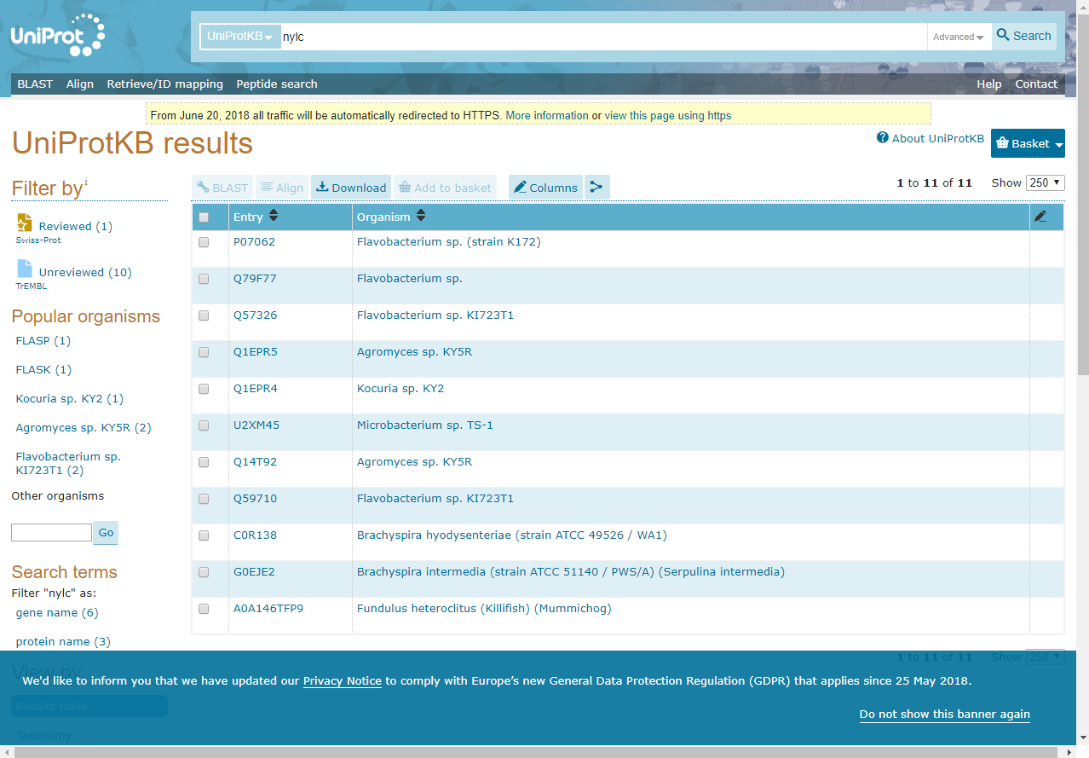
 | Testing the Hypothesis that the Nylonase NylB Protein
 | Arose de novo via a Frameshift Mutation

 | Salvador Cordova and John Sanford

 | Supplementary Table S4
 | List of organisms with NylC from uniprot, and conserved domains of NylCs
 | with sample screen captures from NIH CDD and UniProt websites at the bottom

NOTES:
cd00123 = DmpA/OAT superfamily; composed of L-aminopeptidase D-amidase/D-esterase (DmpA),
ornithine acetyltransferase (OAT) and similar proteins. DmpA is an aminopeptidase that releases N-terminal D and L
amino acids from peptide substrates. This group represents one of the rare aminopeptidases that are not metalloenzymes.
DmpA shows similarity in catalytic mechanism to N-terminal nucleophile (Ntn) hydrolases, which are enzymes that catalyze
the cleavage of amide bonds through the nucleophilic attack of the side chain of an N-terminal serine, threonine, or cysteine.
OAT catalyzes the first and fifth steps in arginine biosynthesis, coupling acetylation of glutamate with deacetylation of
N-acetylornithine, which allows recycling of the acetyl group in the arginine biosynthetic pathway. The superfamily also
contains an enzyme, endo-type 6-aminohexanoate-oligomer hydrolase, that have been shown to be involved in nylon
degradation. Proteins in this superfamily undergo autocatalytic cleavage of an inactive precursor at the site immediately
upstream to the catalytic nucleophile.

cl00603 = DmpA/OAT superfamily; composed of L-aminopeptidase D-amidase/D-esterase (DmpA), ornithine
acetyltransferase (OAT) and similar proteins. DmpA is an aminopeptidase that releases
N-terminal D and L amino acids from peptide substrates. This group represents one of the rare
aminopeptidases that are not metalloenzymes. DmpA shows similarity in catalytic mechanism to
N-terminal nucleophile (Ntn) hydrolases, which are enzymes that catalyze the cleavage of amide
bonds through the nucleophilic attack of the side chain of an N-terminal serine, threonine, or
cysteine. OAT catalyzes the first and fifth steps in arginine biosynthesis, coupling acetylation
of glutamate with deacetylation of N-acetylornithine, which allows recycling of the acetyl group
in the arginine biosynthetic pathway. The superfamily also contains an enzyme, endo-type
6-aminohexanoate-oligomer hydrolase, that have been shown to be involved in nylon degradation.
Proteins in this superfamily undergo autocatalytic cleavage of an inactive precursor at the site
immediately upstream to the catalytic nucleophile.

cd02252 = nylC-like family; composed of proteins with similarity to Flavobacterium endo-type
6-aminohexanoate-oligomer hydrolase (EIII), the product of the nylon oligomer degradation gene,
nylC. EIII is an amide hydrolase that catalyzes the degradation of highly-polymerized
6-aminohexanoate oligomers. Together with other nylon degradation enzymes, such as
6-aminohexanoate cyclic dimer hydrolase (EI) and 6-aminohexanoate dimer hydrolase (EII),
EIII plays a role in the detoxification and biological removal of the synthetic by-products of
nylon manufacture. EIII shows sequence similarity to L-aminopeptidase D-amidase/D-esterase (DmpA),
an aminopeptidase that releases N-terminal D and L amino acids from peptide substrates. Like DmpA,
EIII undergoes autocatalytic cleavage in front of a nucleophile to form a heterodimer. DmpA shows
similarity in catalytic mechanism to N-terminal nucleophile (Ntn) hydrolases, which are enzymes
that catalyze the cleavage of amide bonds through the nucleophilic attack of the side chain of an
N-terminal serine, threonine, or cysteine.

 | no. avail. cdds | 7
 | count NylCs | 7

 |  |  |  |  | Secondary | Secondary
 |  | Conserved | Primary | Primary | Conserved | Conserved
UNIPROT | Genbank | Domain Data | Conserved Domain | Conserved Domain | Domain | Domain
ID | ID | Available | ACCESSION ID | Bit score | ACCESSION ID | Bit score | ORGANISM

Q79F77 | BAA01528.1 | 1 | cd00123 | 313.18 |  |  | Flavobacterium sp.
Q57326 | BAA05088.1 | 1 | cd00123 | 313.18 |  |  | Flavobacterium sp. KI723T1
Q1EPR5 | BAE95769.2 | 1 | cd00123 | 305.47 |  |  | Agromyces sp. KY5R
Q1EPR4 | BAE95770.1 | 1 | cd00123 | 303.16 |  |  | Kocuria sp. KY2
U2XM45 | GAD34180.1 | 1 | cl00603 | 196.68 |  |  | Microbacterium sp. TS-1
C0R138 | ACN83826.1 | 1 | cd02252 | 306.46 |  |  | Brachyspira hyodysenteriae (strain ATCC 49526 / WA1)
G0EJE2 | AEM21141.1 | 1 | cd02252 | 304.15 |  |  | Brachyspira intermedia (strain ATCC 51140 / PWS/A) (Serpulina intermedia)

SAMPLE CDD WEBSITE SCREEN SHOT:
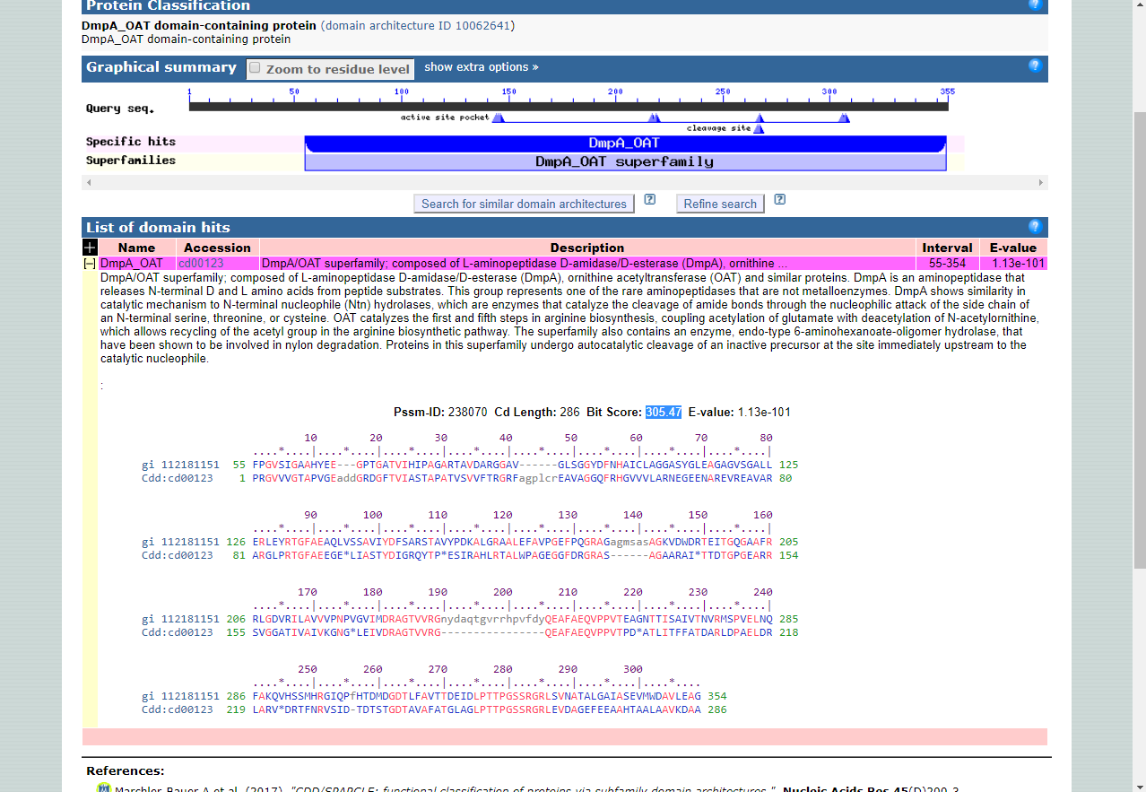

SAMPLE SCREEN CAPTURE FROM UNIPROT:

