zing-finger sex ID PCR profile
Sex ID primers (Wei, 2008)
Name | Sequence 5'-3' | Fluorescent tag
ZF-1F | ACCTGGAGAGCCACAAGC | 6-FAM
ZFX-1R | AAAGGTGGCGATTCAATAAG
ZFY-2F | TATGAGACAGCTGAACAAGGG | VIC
ZF-2R | CTGCACCTCTTTGGTATCTGA

PCR reactions |  |  |  | Thermocycling conditions
Sexing_ZFX_ZFY | conc. | 1x | 75.00 | Sex_ID
G&E Ready-to-go Beads |  | 1 | 1.00 | Initial denaturation | 95°C | 5 min
Primers (10uM stock) |  | 2.40 | 180.00 | Number of cycles : | 13
ZF-1F | 0.25 uM | 0.60 | 45.00 | Denaturation : | 95°C | 45 sec
ZFX-1R | 0.25 uM | 0.60 | 45.00 | Annealing: | 63°C - 1°C | 1 min
ZFY-2F | 0.25 uM | 0.60 | 45.00 | Elongation : | 72°C | 1 min
ZF-2R | 0.25 uM | 0.60 | 45.00 | Number of cycles : | 35
dH20 from kit |  | 17.60 | 1320.00 | Denaturation : | 95°C | 45 sec
DNA |  | 5.00 |  | Annealing: | 53°C | 45 sec
Total volume |  | 25.00 |  | Elongation : | 72°C | 1 min
 |  |  |  | Final elongation | 72°C | 10 min

Example of banding patter in a 5% agarose gel
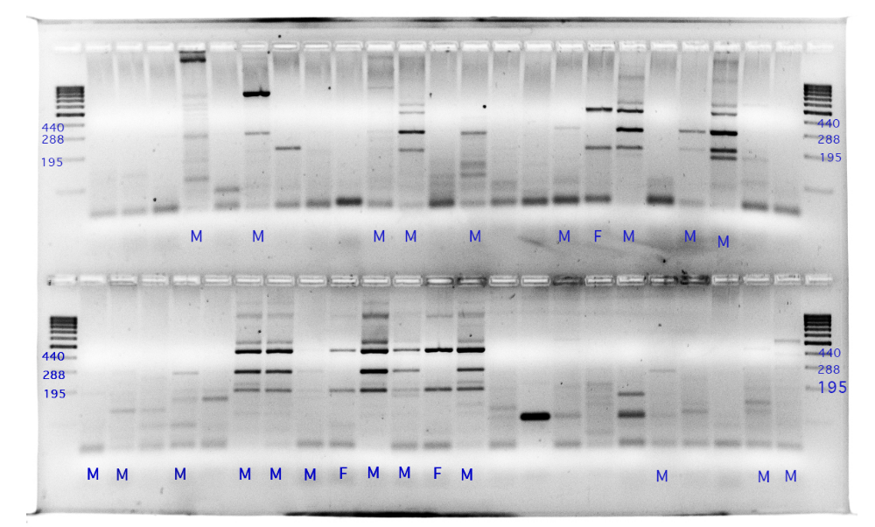

Banding patterns from PCR-CTPP analysis for sex identification. The XX genotype (female) shows two bands (440bp and 195bp). The XY genotype (male) shows three bands (440bp, 288bp and 195bp). When only one band of 288bp is observed, it is classified as male.

